Bug Report
Bug Report — Guru99 Bank & Insurance | WorldClub Team | 100 Bugs

Bug ID | Module | Title | Steps | Expected Result | Actual Result | Priority | Screenshot
BUG-001 | Fund Transfer | Fund Transfer || Payer AccountNo Validation || Grammar Error in Error Message ('Character' Missing Plural 's') || Leading Space as First Character | 1. Open the Chrome browser. 2. In the address bar, type: https://demo.guru99.com/V4/index.php and press Enter. 3. Wait for the Guru99 Bank login page to fully load. 4. In the 'User ID' field, enter a valid Manager User ID (e.g., mngr658460). 5. In the 'Password' field, enter the corresponding valid password. 6. Click the 'LOGIN' button. 7. Verify the Manager Home Page loads successfully and the welcome message is displayed. 8. Navigate to the 'Fund Transfer' section by clicking on 'Fund Transfer' in the left-side navigation menu. 9. Wait for the Fund Transfer page to fully load. 10. Click on the 'Payers Account Number' text input field to place the cursor inside it. 11. Type a single space character (' ') as the first character in the field. 12. Press Tab to move focus away from the field (or click outside). 13. Observe the validation message that appears below the field. | System should display the validation message: 'First character cannot have space'. | System displayed 'Character are not allowed' | Low | 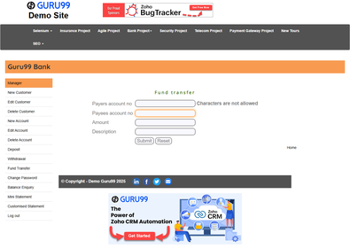
BUG-002 | Fund Transfer | Fund Transfer || Amount Field Validation || Inconsistent Message Phrasing Compared to Other Modules || Leading Space as First Character | 1. Open the Chrome browser. 2. In the address bar, type: https://demo.guru99.com/V4/index.php and press Enter. 3. Wait for the Guru99 Bank login page to fully load. 4. In the 'User ID' field, enter a valid Manager User ID (e.g., mngr658460). 5. In the 'Password' field, enter the corresponding valid password. 6. Click the 'LOGIN' button. 7. Verify the Manager Home Page loads successfully and the welcome message is displayed. 8. Navigate to the 'Fund Transfer' section by clicking on 'Fund Transfer' in the left-side navigation menu. 9. Wait for the Fund Transfer page to fully load. 10. Click on the 'Amount' text input field to place the cursor inside it. 11. Type a single space character (' ') as the first character in the field. 12. Press Tab to move focus away from the field. 13. Observe the validation message that appears below the field. | System should display the validation message: 'First character cannot have space'. | System displayed 'Characters are not allowed' — incorrect message for a space input; inconsistent phrasing compared to other modules. | Low | 
BUG-003 | Fund Transfer | Fund Transfer || Description Field Validation || Silent Acceptance — No Error Message Shown || Leading Space as First Character | 1. Open the Chrome browser. 2. In the address bar, type: https://demo.guru99.com/V4/index.php and press Enter. 3. Wait for the Guru99 Bank login page to fully load. 4. In the 'User ID' field, enter a valid Manager User ID (e.g., mngr658460). 5. In the 'Password' field, enter the corresponding valid password. 6. Click the 'LOGIN' button. 7. Verify the Manager Home Page loads successfully and the welcome message is displayed. 8. Navigate to the 'Fund Transfer' section by clicking on 'Fund Transfer' in the left-side navigation menu. 9. Wait for the Fund Transfer page to fully load. 10. Click on the 'Description' text input field to place the cursor inside it. 11. Type a single space character (' ') as the first character in the field. 12. Press Tab to move focus away from the field. 13. Observe whether any validation message appears below the field. | System should display the validation message: 'First character cannot have space'. | No validation message appears. The Description field silently accepts a leading space with no client-side or server-side validation. | Medium | 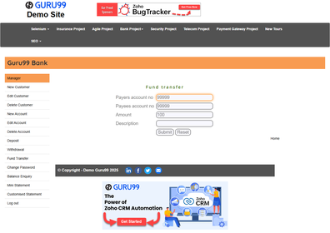
BUG-004 | Fund Transfer | Fund Transfer || Amount Field Submission || Negative Amount Accepted Without Any Validation Error || Amount = -500 | 1. Open the Chrome browser. 2. In the address bar, type: https://demo.guru99.com/V4/index.php and press Enter. 3. Wait for the Guru99 Bank login page to fully load. 4. In the 'User ID' field, enter a valid Manager User ID (e.g., mngr658460). 5. In the 'Password' field, enter the corresponding valid password. 6. Click the 'LOGIN' button. 7. Verify the Manager Home Page loads successfully and the welcome message is displayed. 8. Navigate to the 'Fund Transfer' section by clicking on 'Fund Transfer' in the left-side navigation menu. 9. Wait for the Fund Transfer page to fully load. 10. Enter a valid Payer account number (e.g., 181778) in the 'Payers Account Number' field. 11. Enter a valid Payee account number in the 'Payees Account Number' field. 12. In the 'Amount' field, type a negative value: -500. 13. Click the 'Submit' button and observe the system response. | System should reject negative amounts and display: 'Amount cannot be negative'. | No validation message is displayed. System accepts the negative transfer amount, risking corrupted account balances. | High | 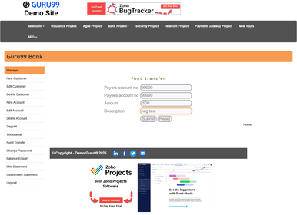
BUG-005 | Fund Transfer | Fund Transfer || Transfer Result Page || Application Crashes — Updated Balances Never Displayed || After Any Completed Transfer | 1. Open the Chrome browser. 2. In the address bar, type: https://demo.guru99.com/V4/index.php and press Enter. 3. Wait for the Guru99 Bank login page to fully load. 4. In the 'User ID' field, enter a valid Manager User ID (e.g., mngr658460). 5. In the 'Password' field, enter the corresponding valid password. 6. Click the 'LOGIN' button. 7. Verify the Manager Home Page loads successfully and the welcome message is displayed. 8. Navigate to the 'Fund Transfer' section by clicking on 'Fund Transfer' in the left-side navigation menu. 9. Wait for the Fund Transfer page to fully load. 10. Enter valid Payer and Payee account numbers. 11. Enter a valid positive amount (e.g., 100). 12. Click 'Submit' to complete the transfer. 13. Observe the Transfer Result page for updated balances and transaction details. | Transfer Result page should display the updated balances for both Payer and Payee accounts, confirming the transaction was processed successfully. | Application crashed after the fund transfer. The result page became unresponsive and no balance update or confirmation is shown. | Critical | 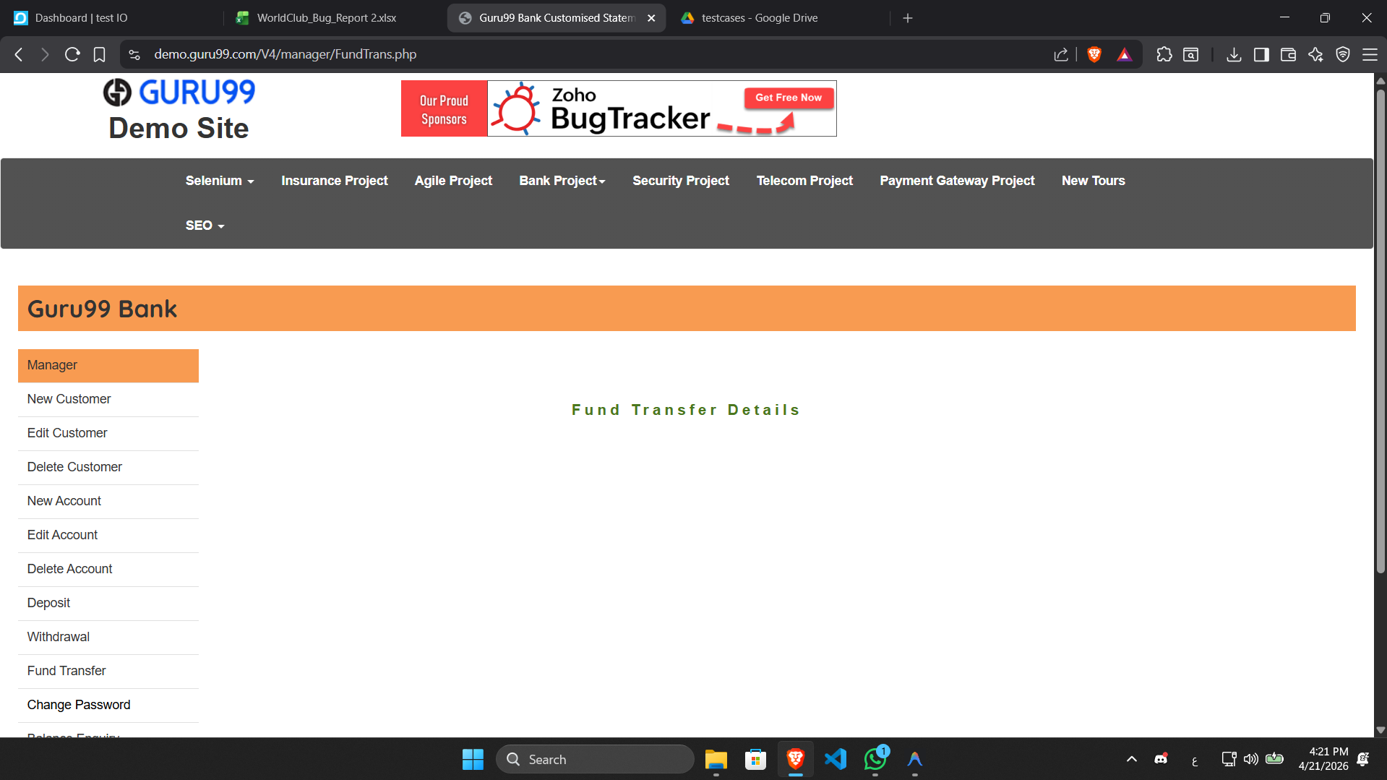
BUG-006 | Fund Transfer | Fund Transfer || Amount Field Submission || No Server-Side Validation for Negative Transfer Amount || Amount = -1000 | 1. Open the Chrome browser. 2. In the address bar, type: https://demo.guru99.com/V4/index.php and press Enter. 3. Wait for the Guru99 Bank login page to fully load. 4. In the 'User ID' field, enter a valid Manager User ID (e.g., mngr658460). 5. In the 'Password' field, enter the corresponding valid password. 6. Click the 'LOGIN' button. 7. Verify the Manager Home Page loads successfully and the welcome message is displayed. 8. Navigate to the 'Fund Transfer' section by clicking on 'Fund Transfer' in the left-side navigation menu. 9. Wait for the Fund Transfer page to fully load. 10. Enter valid Payer and Payee account numbers. 11. In the 'Amount' field, type: -1000. 12. Click the 'Submit' button. 13. Observe the server response and check whether the transfer was blocked. | Server-side validation should reject the negative amount and display: 'Amount must be a positive number'. | No server-side validation exists for negative amounts. System processes the submission without any error. | High | 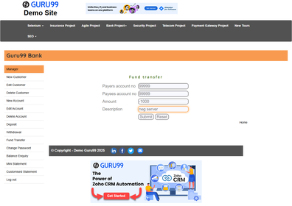
BUG-007 | Fund Transfer | Fund Transfer || Amount Field Submission || Zero Amount Passes Without Rejection || Amount = 0 | 1. Open the Chrome browser. 2. In the address bar, type: https://demo.guru99.com/V4/index.php and press Enter. 3. Wait for the Guru99 Bank login page to fully load. 4. In the 'User ID' field, enter a valid Manager User ID (e.g., mngr658460). 5. In the 'Password' field, enter the corresponding valid password. 6. Click the 'LOGIN' button. 7. Verify the Manager Home Page loads successfully and the welcome message is displayed. 8. Navigate to the 'Fund Transfer' section by clicking on 'Fund Transfer' in the left-side navigation menu. 9. Wait for the Fund Transfer page to fully load. 10. Enter valid Payer and Payee account numbers (e.g., Payer: 181778, Payee: another account). 11. In the 'Amount' field, type: 0 (zero). 12. Click the 'Submit' button. 13. Observe whether submission is blocked and a validation message is shown. | System should reject zero amount and display: 'Amount must be greater than zero'. | No validation message. Form submits with zero amount — an invalid fund transfer is silently processed. | High | 
BUG-008 | Fund Transfer | Fund Transfer || Description Field Submission || Blank Description Accepted — Mandatory Field Not Enforced || Empty Field on Submit | 1. Open the Chrome browser. 2. In the address bar, type: https://demo.guru99.com/V4/index.php and press Enter. 3. Wait for the Guru99 Bank login page to fully load. 4. In the 'User ID' field, enter a valid Manager User ID (e.g., mngr658460). 5. In the 'Password' field, enter the corresponding valid password. 6. Click the 'LOGIN' button. 7. Verify the Manager Home Page loads successfully and the welcome message is displayed. 8. Navigate to the 'Fund Transfer' section by clicking on 'Fund Transfer' in the left-side navigation menu. 9. Wait for the Fund Transfer page to fully load. 10. Enter valid Payer account number (e.g., 181778) and a valid Payee account number. 11. Enter a valid amount (e.g., 100). 12. Leave the 'Description' field completely empty. 13. Click 'Submit' and observe the validation response. | System should display the validation message: 'Description cannot be blank' | No validation. Form submits successfully with an empty Description field, violating the mandatory field requirement. | Medium | 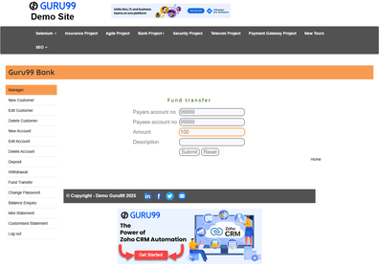
BUG-009 | Fund Transfer | Fund Transfer || Confirmation Page Content || No Transaction Reference Number Generated || Post-Successful Transfer | 1. Open the Chrome browser. 2. In the address bar, type: https://demo.guru99.com/V4/index.php and press Enter. 3. Wait for the Guru99 Bank login page to fully load. 4. In the 'User ID' field, enter a valid Manager User ID (e.g., mngr658460). 5. In the 'Password' field, enter the corresponding valid password. 6. Click the 'LOGIN' button. 7. Verify the Manager Home Page loads successfully and the welcome message is displayed. 8. Navigate to the 'Fund Transfer' section by clicking on 'Fund Transfer' in the left-side navigation menu. 9. Wait for the Fund Transfer page to fully load. 10. Enter valid Payer account number, Payee account number, Amount, and Description. 11. Click 'Submit' to complete the fund transfer successfully. 12. Observe the confirmation page that appears after the transfer. 13. Check whether a unique Transaction Reference Number is displayed on the confirmation page. | Confirmation page should display a unique Transaction Reference Number for the purpose of tracking and auditing. | No transaction reference number appears on the confirmation page — users cannot track, audit, or dispute the transfer. |  Medium
BUG-010 | Customised Statement | Customised Statement || AccountNo Field Validation || Inconsistent Message Phrasing Across Modules || Leading Space as First Character | 1. Open the Chrome browser. 2. In the address bar, type: https://demo.guru99.com/V4/index.php and press Enter. 3. Wait for the Guru99 Bank login page to fully load. 4. In the 'User ID' field, enter a valid Manager User ID (e.g., mngr658460). 5. In the 'Password' field, enter the corresponding valid password. 6. Click the 'LOGIN' button. 7. Verify the Manager Home Page loads successfully and the welcome message is displayed. 8. Navigate to the 'Customised Statement' section by clicking on 'Customised Statement' in the left-side navigation menu. 9. Wait for the Customised Statement page to fully load. 10. Click on the 'Account No' text input field to place the cursor inside it. 11. Type a single space character (' ') as the first character in the field. 12. Press Tab to move focus away from the field. 13. Observe the validation message that appears below the field. | System should display the validation message: 'First character cannot have space'. | System displayed 'Characters are not allowed' | Low | 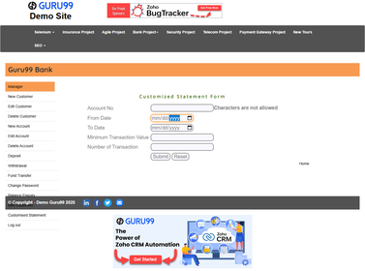
BUG-011 | Customised Statement | Customised Statement || Min Transaction Value Field || Blank Input Accepted — Mandatory Field Not Validated || Empty Field on Submit | 1. Open the Chrome browser. 2. In the address bar, type: https://demo.guru99.com/V4/index.php and press Enter. 3. Wait for the Guru99 Bank login page to fully load. 4. In the 'User ID' field, enter a valid Manager User ID (e.g., mngr658460). 5. In the 'Password' field, enter the corresponding valid password. 6. Click the 'LOGIN' button. 7. Verify the Manager Home Page loads successfully and the welcome message is displayed. 8. Navigate to the 'Customised Statement' section by clicking on 'Customised Statement' in the left-side navigation menu. 9. Wait for the Customised Statement page to fully load. 10. Enter a valid account number (e.g., 181778) in the 'Account No' field. 11. Fill in valid From Date and To Date values. 12. Leave the 'Minimum Transaction Value' field completely empty. 13. Click 'Submit' and observe whether a validation message appears. | System should display the validation message: 'Minimum Transaction Value is required' | No validation message is displayed. The Minimum Transaction Value field silently accepts empty input. | Medium | 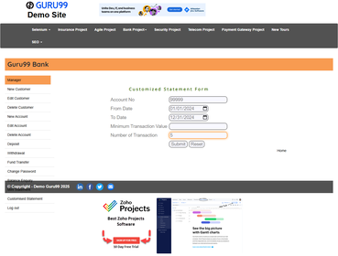
BUG-012 | Customised Statement | Customised Statement || Num Transactions Field || Incorrect Validation Message Text When Field Left Blank || Empty Field | 1. Open the Chrome browser. 2. In the address bar, type: https://demo.guru99.com/V4/index.php and press Enter. 3. Wait for the Guru99 Bank login page to fully load. 4. In the 'User ID' field, enter a valid Manager User ID (e.g., mngr658460). 5. In the 'Password' field, enter the corresponding valid password. 6. Click the 'LOGIN' button. 7. Verify the Manager Home Page loads successfully and the welcome message is displayed. 8. Navigate to the 'Customised Statement' section by clicking on 'Customised Statement' in the left-side navigation menu. 9. Wait for the Customised Statement page to fully load. 10. Enter a valid account number in the 'Account No' field. 11. Fill in valid From Date and To Date values. 12. Leave the 'Number Of Transaction' field completely empty. 13. Click outside the field (or Tab) and observe the validation message. | System should display the exact validation message: 'Number of Transaction must not be blank' | No validation message is displayed. | Low | 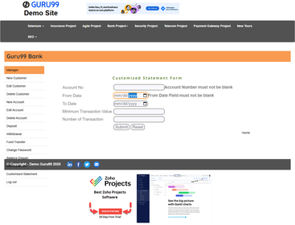
BUG-013 | Customised Statement | Customised Statement || Submit with Valid AccountNo || White Screen — Complete Server-Side Failure || Any Valid Account Number | 1. Open the Chrome browser. 2. In the address bar, type: https://demo.guru99.com/V4/index.php and press Enter. 3. Wait for the Guru99 Bank login page to fully load. 4. In the 'User ID' field, enter a valid Manager User ID (e.g., mngr658460). 5. In the 'Password' field, enter the corresponding valid password. 6. Click the 'LOGIN' button. 7. Verify the Manager Home Page loads successfully and the welcome message is displayed. 8. Navigate to the 'Customised Statement' section by clicking on 'Customised Statement' in the left-side navigation menu. 9. Wait for the Customised Statement page to fully load. 10. Enter a valid numeric account number (e.g., 181778) in the 'Account No' field. 11. Set valid From Date and To Date (e.g., 01/01/2023 to 01/12/2023). 12. Leave other optional fields as-is. 13. Click 'Submit' and observe the result page. | System should display a customised bank statement listing transactions for the specified account and date range. | A blank white screen appears immediately after submitting. No data, no error message — critical server-side failure renders the module completely non-functional. | Critical | 
BUG-014 | Customised Statement | Customised Statement || Submit with All Fields Valid || Entire Module Non-Functional — White Screen on Every Request || Full Form Submitted | 1. Open the Chrome browser. 2. In the address bar, type: https://demo.guru99.com/V4/index.php and press Enter. 3. Wait for the Guru99 Bank login page to fully load. 4. In the 'User ID' field, enter a valid Manager User ID (e.g., mngr658460). 5. In the 'Password' field, enter the corresponding valid password. 6. Click the 'LOGIN' button. 7. Verify the Manager Home Page loads successfully and the welcome message is displayed. 8. Navigate to the 'Customised Statement' section by clicking on 'Customised Statement' in the left-side navigation menu. 9. Wait for the Customised Statement page to fully load. 10. Fill in all fields: Account No (181778), From Date, To Date, Min Amount (100), Number of Transactions (5). 11. Verify all fields are correctly populated. 12. Click the 'Submit' button. 13. Observe the result page for statement data or errors. | System should display the customised bank statement with matching transactions filtered by the specified criteria. | White screen appears on every valid submission. The entire Customised Statement feature is non-functional regardless of input. | Critical
BUG-015 | Customised Statement | Customised Statement || Date Range Validation || From Date Greater Than To Date Not Rejected || Invalid Date Range Submitted | 1. Open the Chrome browser. 2. In the address bar, type: https://demo.guru99.com/V4/index.php and press Enter. 3. Wait for the Guru99 Bank login page to fully load. 4. In the 'User ID' field, enter a valid Manager User ID (e.g., mngr658460). 5. In the 'Password' field, enter the corresponding valid password. 6. Click the 'LOGIN' button. 7. Verify the Manager Home Page loads successfully and the welcome message is displayed. 8. Navigate to the 'Customised Statement' section by clicking on 'Customised Statement' in the left-side navigation menu. 9. Wait for the Customised Statement page to fully load. 10. Enter a valid account number (e.g., 181778) in the 'Account No' field. 11. Set the 'From Date' to a date LATER than the 'To Date' (e.g., From: 01/12/2023, To: 01/01/2023). 12. Click the 'Submit' button. 13. Observe whether the system validates the date range and shows an error. | System should display the validation message: 'From Date cannot be greater than To Date' | No date range validation. System submits without error but returns a blank white screen instead of a proper validation message. | High | 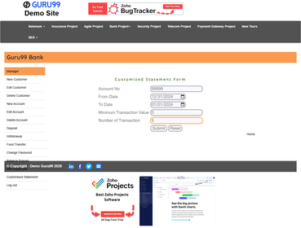
BUG-016 | Customised Statement | Customised Statement || Min Transaction Value Field || Negative Amount Accepted — No Value Validation Present || Negative Input = -500 | 1. Open the Chrome browser. 2. In the address bar, type: https://demo.guru99.com/V4/index.php and press Enter. 3. Wait for the Guru99 Bank login page to fully load. 4. In the 'User ID' field, enter a valid Manager User ID (e.g., mngr658460). 5. In the 'Password' field, enter the corresponding valid password. 6. Click the 'LOGIN' button. 7. Verify the Manager Home Page loads successfully and the welcome message is displayed. 8. Navigate to the 'Customised Statement' section by clicking on 'Customised Statement' in the left-side navigation menu. 9. Wait for the Customised Statement page to fully load. 10. Enter a valid account number (e.g., 181778) in the 'Account No' field. 11. Set valid From Date and To Date. 12. In the 'Minimum Transaction Value' field, enter: -500 (negative value). 13. Click 'Submit' and observe whether the system rejects the negative value. | System should reject negative Minimum Transaction Value and display: 'Minimum Transaction Value must be a positive number'. | No validation. System accepts negative minimum amounts without any error message. | Medium | 
BUG-017 | Customised Statement | Customised Statement || Submit with Valid From/To Dates || White Screen on Every Submission — Crash Confirmed || Valid Date Range | 1. Open the Chrome browser. 2. In the address bar, type: https://demo.guru99.com/V4/index.php and press Enter. 3. Wait for the Guru99 Bank login page to fully load. 4. In the 'User ID' field, enter a valid Manager User ID (e.g., mngr658460). 5. In the 'Password' field, enter the corresponding valid password. 6. Click the 'LOGIN' button. 7. Verify the Manager Home Page loads successfully and the welcome message is displayed. 8. Navigate to the 'Customised Statement' section by clicking on 'Customised Statement' in the left-side navigation menu. 9. Wait for the Customised Statement page to fully load. 10. Enter a valid account number (e.g., 181778) in the 'Account No' field. 11. Set a valid From Date (e.g., 01/01/2023) and To Date (e.g., 01/06/2023). 12. Leave other fields at their defaults. 13. Click 'Submit' and observe the page response. | System should display all transactions falling within the specified date range in a tabular format. | Blank white screen appears immediately after submit. No data or error messages — complete server-side crash confirmed. | Critical
BUG-018 | Login | Login || Submit Blank Credentials || Server Alert Used Instead of Inline Field-Level Validation || Both Fields Empty | 1. Open the Chrome browser. 2. In the address bar, type: https://demo.guru99.com/V4/index.php and press Enter. 3. Wait for the Guru99 Bank login page to fully load. 4. Leave the 'User ID' field completely empty. 5. Leave the 'Password' field completely empty. 6. Click the 'LOGIN' button. 7. Observe whether inline field-level validation messages appear below each field. 8. Check if the validation message appears next to the User ID field. 9. Check if the validation message appears next to the Password field. 10. Note the exact type of validation shown (inline vs. dialog/alert). | System should display inline field-level validation messages below each empty field: 'User-ID must not be blank' and 'Password must not be blank' | System submitted the form and displayed a browser dialog: 'User is not valid' — no field-level inline validation exists for blank inputs. | Medium | 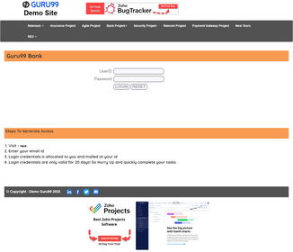
BUG-019 | Login | Login || Mobile/Responsive Layout Rendering || UI Elements Overlap — Layout Breaks Below 768px || Viewport Width < 768px | 1. Open the Chrome browser. 2. Navigate to: https://demo.guru99.com/V4/index.php. 3. Open Developer Tools (press F12). 4. Click the 'Toggle Device Toolbar' icon to enable responsive/mobile view. 5. Set the viewport width to 375 pixels (iPhone SE) and height to 667 pixels. 6. Reload the login page in this viewport size. 7. Observe the layout of the User ID field, Password field, and LOGIN button. 8. Check whether all elements are properly visible and non-overlapping. 9. Try clicking each field to verify they are accessible and functional. 10. Set viewport to 768px width and observe again for comparison. | Login page should be fully responsive and all elements (form fields, labels, buttons) must remain accessible and non-overlapping on all viewports including mobile (< 768px). | 1-Login page renders correctly on mobile viewports 2-No overlapping observed 3- All elements:(Visible , Functional (login works normally) , Accessible) | Medium | 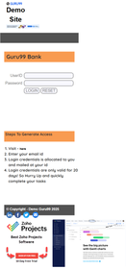
BUG-020 | Login | Login || Repeated Failed Login Attempts || No Account Lockout or CAPTCHA — Brute Force Attack Possible || 10+ Consecutive Failures | 1. Open the Chrome browser. 2. Navigate to: https://demo.guru99.com/V4/index.php. 3. In the 'User ID' field, enter a valid Manager User ID (e.g., mngr658460). 4. In the 'Password' field, enter an INCORRECT password (e.g., wrong123). 5. Click the 'LOGIN' button and wait for the error response. 6. Repeat steps 3–5 a total of 5 times consecutively with the same wrong password. 7. Repeat 5 more times (10 total failed attempts). 8. Observe whether an account lockout message or CAPTCHA challenge appears. 9. Try once more (11th attempt) and check the system response. 10. Document whether any brute-force protection mechanism was triggered. | After 3 to 5 consecutive failed login attempts, the system should either temporarily lock the account or present a CAPTCHA challenge to prevent brute-force attacks. | No lockout mechanism. Unlimited login attempts with incorrect credentials are allowed. | Critical | 
BUG-021 | Login | Login || Session Inactivity Timeout || Session Never Expires — Unauthorized Access Risk After Idle || 30+ Minutes Idle | 1. Open the Chrome browser. 2. Navigate to: https://demo.guru99.com/V4/index.php. 3. Login with valid Manager credentials. 4. Verify the Manager Home Page loads successfully. 5. Leave the browser window open and idle for at least 30 minutes. 6. After 30 minutes, return to the browser without refreshing. 7. Click on any menu item (e.g., 'New Customer') to test session validity. 8. Observe whether the system redirects to the login page. 9. Check whether the session token has been invalidated after inactivity. 10. Document whether any session expiry notification was displayed. | The session should automatically expire after a period of inactivity (typically 15–30 min) and redirect the user to the login page with a message: 'Your session has expired.' | Session remains permanently active regardless of inactivity duration. Any person with access to the unattended browser has unrestricted access to all banking functions. | High | 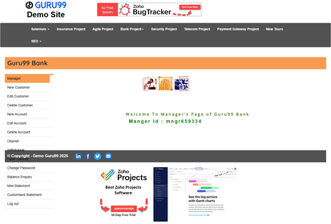
BUG-022 | Balance Enquiry | Balance Enquiry || Submit Any Input || Entire Module Crashes on Every Submit Attempt || All Input Types Tested | 1. Open the Chrome browser. 2. In the address bar, type: https://demo.guru99.com/V4/index.php and press Enter. 3. Wait for the Guru99 Bank login page to fully load. 4. In the 'User ID' field, enter a valid Manager User ID (e.g., mngr658460). 5. In the 'Password' field, enter the corresponding valid password. 6. Click the 'LOGIN' button. 7. Verify the Manager Home Page loads successfully and the welcome message is displayed. 8. Navigate to the 'Balance Enquiry' section by clicking on 'Balance Enquiry' in the left-side navigation menu. 9. Wait for the Balance Enquiry page to fully load. 10. In the 'Account No' field, enter a valid account number (e.g., 181778). 11. Click the 'Submit' button. 12. Wait for the system to process the request. 13. Observe the result page for balance information or any error response. | System should display the current balance for the entered account number, including Account Holder Name and balance amount. | Application crashes after clicking Submit. Page becomes unresponsive. Entire Balance Enquiry module is non-functional. | 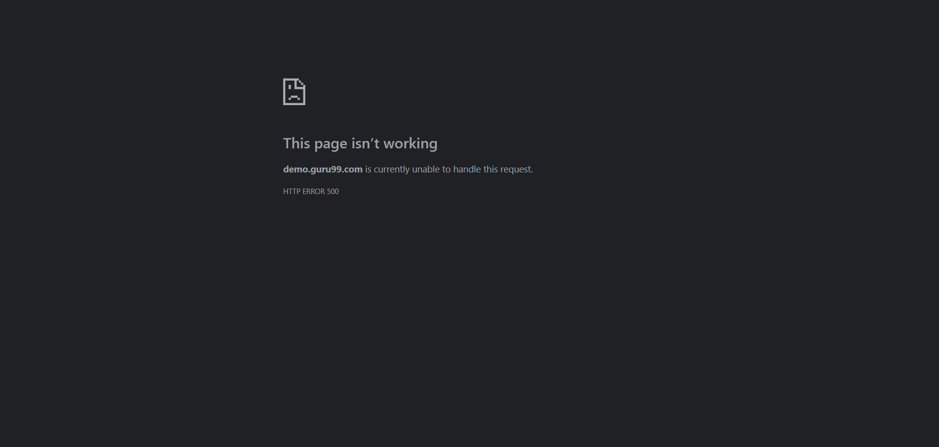 Critical | 
BUG-023 | Balance Enquiry | Balance Enquiry || Submit Blank AccountNo || Application Crashes Instead of Showing Blank Field Validation || Empty Field | 1. Open the Chrome browser. 2. In the address bar, type: https://demo.guru99.com/V4/index.php and press Enter. 3. Wait for the Guru99 Bank login page to fully load. 4. In the 'User ID' field, enter a valid Manager User ID (e.g., mngr658460). 5. In the 'Password' field, enter the corresponding valid password. 6. Click the 'LOGIN' button. 7. Verify the Manager Home Page loads successfully and the welcome message is displayed. 8. Navigate to the 'Balance Enquiry' section by clicking on 'Balance Enquiry' in the left-side navigation menu. 9. Wait for the Balance Enquiry page to fully load. 10. Leave the 'Account No' field completely empty. 11. Click the 'Submit' button. 12. Wait for the system to respond. 13. Observe the validation message or system response. | System should display the validation message: 'Account Number must not be blank' | "System displays a generic validation message 'Please fill all fields' instead of a specific error message for the 'Account No' field." | 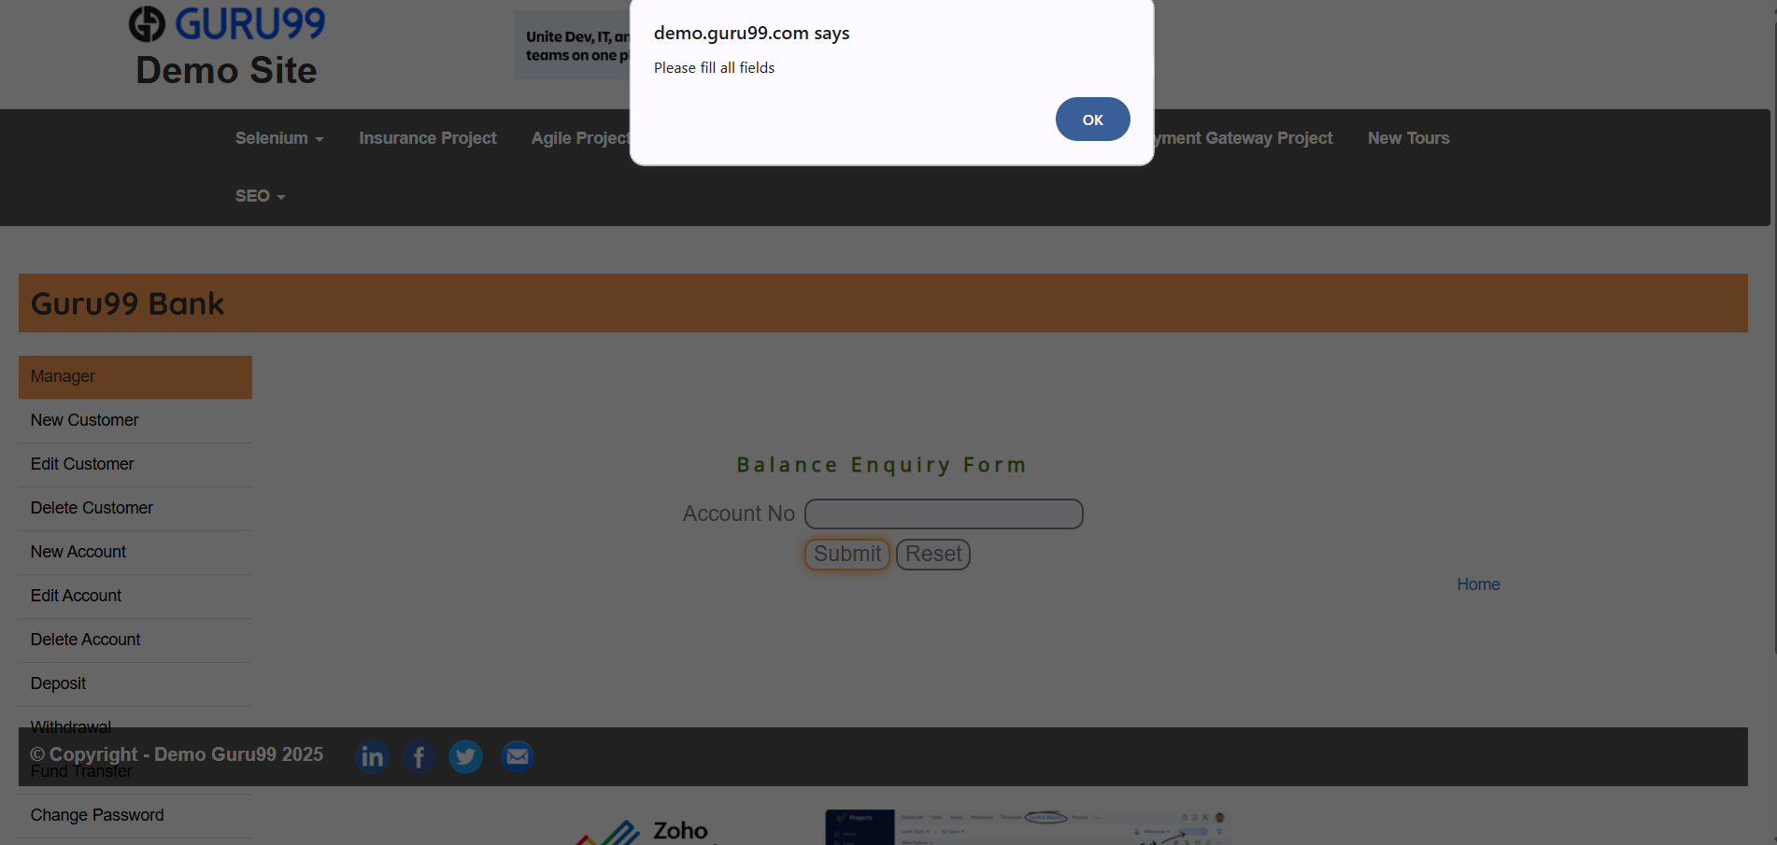 High
BUG-024 | Balance Enquiry | Balance Enquiry || Submit Alphabetic AccountNo || Application Crashes Instead of Showing Alpha Validation Error || Input = 'abc' | 1. Open the Chrome browser. 2. In the address bar, type: https://demo.guru99.com/V4/index.php and press Enter. 3. Wait for the Guru99 Bank login page to fully load. 4. In the 'User ID' field, enter a valid Manager User ID (e.g., mngr658460). 5. In the 'Password' field, enter the corresponding valid password. 6. Click the 'LOGIN' button. 7. Verify the Manager Home Page loads successfully and the welcome message is displayed. 8. Navigate to the 'Balance Enquiry' section by clicking on 'Balance Enquiry' in the left-side navigation menu. 9. Wait for the Balance Enquiry page to fully load. 10. In the 'Account No' field, type alphabetic characters: 'abc'. 11. Click the 'Submit' button. 12. Wait for the system to respond. 13. Observe whether a validation message appears or the system crashes. | System should display the validation message: 'Characters are not allowed' (per SRS requirement T32). | Application crashes instead of displaying an alphabetic character validation message. No input validation exists for this field. | High | 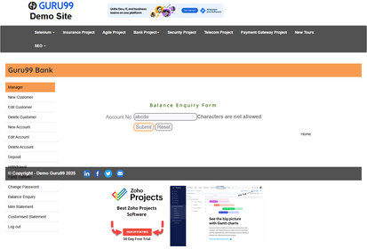
BUG-025 | Balance Enquiry | Balance Enquiry || Submit Special Characters in AccountNo || Application Crashes — No Input Sanitization || Input = '@#$%' | 1. Open the Chrome browser. 2. In the address bar, type: https://demo.guru99.com/V4/index.php and press Enter. 3. Wait for the Guru99 Bank login page to fully load. 4. In the 'User ID' field, enter a valid Manager User ID (e.g., mngr658460). 5. In the 'Password' field, enter the corresponding valid password. 6. Click the 'LOGIN' button. 7. Verify the Manager Home Page loads successfully and the welcome message is displayed. 8. Navigate to the 'Balance Enquiry' section by clicking on 'Balance Enquiry' in the left-side navigation menu. 9. Wait for the Balance Enquiry page to fully load. 10. In the 'Account No' field, type special characters: '@#$%'. 11. Click the 'Submit' button. 12. Wait for the system to respond. 13. Observe whether a validation message appears or the system crashes. | System should display the validation message: 'Special characters are not allowed' (per SRS requirement T31). | Application crashes instead of showing a special character validation message. No input sanitization exists. | High | 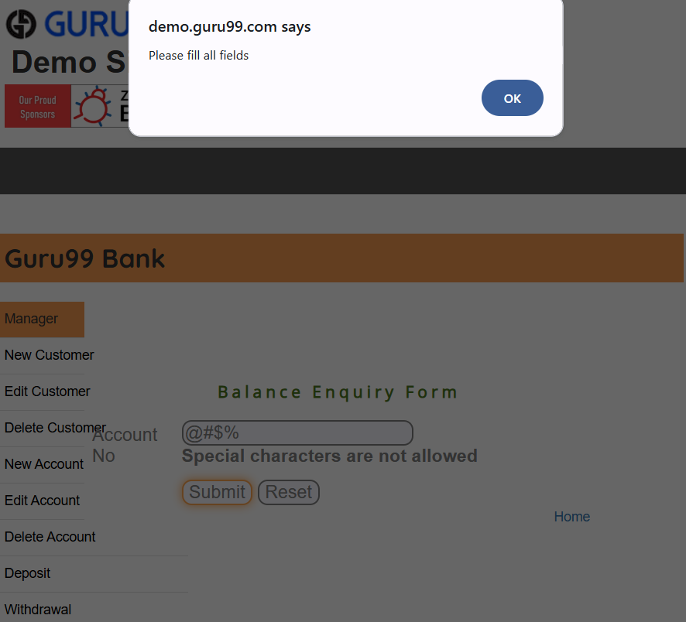
BUG-026 | Balance Enquiry | Balance Enquiry || Submit Non-Existent AccountNo || Application Crashes — No 'Account Not Found' Error Shown || Account = 99999999 | 1. Open the Chrome browser. 2. In the address bar, type: https://demo.guru99.com/V4/index.php and press Enter. 3. Wait for the Guru99 Bank login page to fully load. 4. In the 'User ID' field, enter a valid Manager User ID (e.g., mngr658460). 5. In the 'Password' field, enter the corresponding valid password. 6. Click the 'LOGIN' button. 7. Verify the Manager Home Page loads successfully and the welcome message is displayed. 8. Navigate to the 'Balance Enquiry' section by clicking on 'Balance Enquiry' in the left-side navigation menu. 9. Wait for the Balance Enquiry page to fully load. 10. In the 'Account No' field, enter a non-existent account number (e.g., 99999999). 11. Click the 'Submit' button. 12. Wait for the system to respond. 13. Observe whether the system displays 'Account not found' or crashes. | System should display an appropriate error: 'Account does not exist' (per SRS functional requirement F2). | Application crashes on submit. No 'Account not found' message is shown — crash occurs instead of a meaningful error response. | Critical | 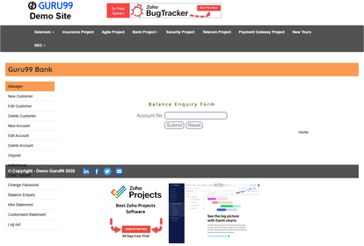
BUG-027 | Balance Enquiry | Balance Enquiry || View Result Page || Account Holder Name Never Rendered Due to Crash || Any Submit Attempt | 1. Open the Chrome browser. 2. In the address bar, type: https://demo.guru99.com/V4/index.php and press Enter. 3. Wait for the Guru99 Bank login page to fully load. 4. In the 'User ID' field, enter a valid Manager User ID (e.g., mngr658460). 5. In the 'Password' field, enter the corresponding valid password. 6. Click the 'LOGIN' button. 7. Verify the Manager Home Page loads successfully and the welcome message is displayed. 8. Navigate to the 'Balance Enquiry' section by clicking on 'Balance Enquiry' in the left-side navigation menu. 9. Wait for the Balance Enquiry page to fully load. 10. In the 'Account No' field, enter a valid account number (e.g., 181778). 11. Click the 'Submit' button. 12. Wait for the result page to load. 13. Verify that both the Account Holder Name and Current Balance are displayed clearly. | Result page should display: Account Holder Name, Account Number, and Current Balance in a clear and readable format. | Application crashes on every submit. Account Holder Name and balance are never shown — HTTP 500 error displayed and the page failed to load the balance details. | 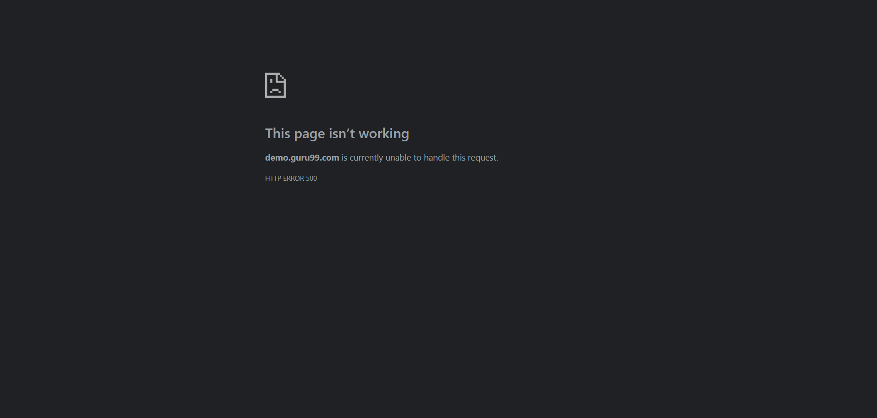 Critical
BUG-028 | Balance Enquiry | Balance Enquiry || Direct URL Access Without Login || Authentication Bypassed — Crash Instead of Login Redirect || Unauthenticated User | 1. Open the Chrome browser. 2. Do NOT log in — keep a fresh unauthenticated browser session. 3. In the address bar, type the direct Balance Enquiry URL: https://demo.guru99.com/V4/manager/BalanceEnquiry.php and press Enter. 4. Wait for the page to load. 5. Observe whether the page redirects to the login page or renders content. 6. Note the URL in the address bar after the response. 7. Check whether any balance inquiry functionality is accessible. 8. Attempt to enter an account number and submit if the form renders. 9. Observe the result. 10. Document all content that was rendered without authentication. | The user should be redirected to the login page when trying to access the Balance Enquiry page without authentication. No balance information should be accessible without a valid session. | When accessing the Balance Enquiry page without authentication, the page displays “File not found” / error message instead of redirecting to the login page. The page does not load correctly and no balance data is shown. |  Critical
BUG-029 | Balance Enquiry | Balance Enquiry || Submit Decimal AccountNo || Server Crash — No Decimal Format Validation Exists || Input = 12345.67 | 1. Open the Chrome browser. 2. In the address bar, type: https://demo.guru99.com/V4/index.php and press Enter. 3. Wait for the Guru99 Bank login page to fully load. 4. In the 'User ID' field, enter a valid Manager User ID (e.g., mngr658460). 5. In the 'Password' field, enter the corresponding valid password. 6. Click the 'LOGIN' button. 7. Verify the Manager Home Page loads successfully and the welcome message is displayed. 8. Navigate to the 'Balance Enquiry' section by clicking on 'Balance Enquiry' in the left-side navigation menu. 9. Wait for the Balance Enquiry page to fully load. 10. In the 'Account No' field, type a decimal value: 12345.67. 11. Click the 'Submit' button. 12. Wait for the system to respond. 13. Observe whether a validation message appears or the system crashes. | System should reject decimal input and display: 'Enter a valid numeric account number' or 'Special characters are not allowed' (decimal point is a special character). | Application crashes on submit. No decimal-format validation message is shown. | High | 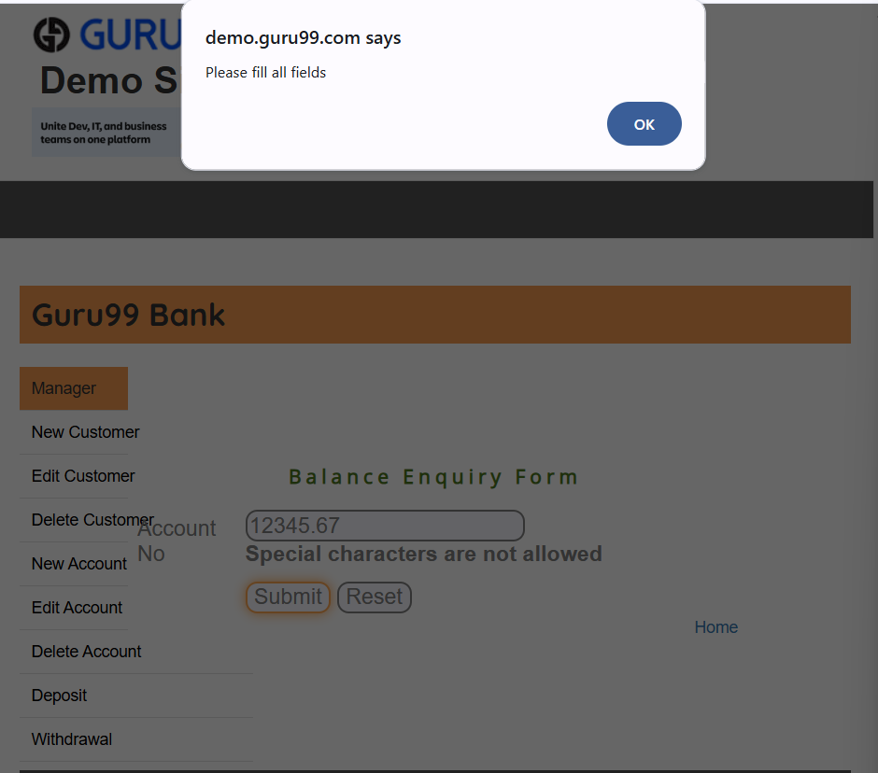
BUG-030 | Mini Statement | Mini Statement || Navigate to Page || Page Fails to Render — Account No Input Field Not Shown || Any Navigation Attempt | 1. Open the Chrome browser. 2. In the address bar, type: https://demo.guru99.com/V4/index.php and press Enter. 3. Wait for the Guru99 Bank login page to fully load. 4. In the 'User ID' field, enter a valid Manager User ID (e.g., mngr658460). 5. In the 'Password' field, enter the corresponding valid password. 6. Click the 'LOGIN' button. 7. Verify the Manager Home Page loads successfully and the welcome message is displayed. 8. Click on 'Mini Statement' in the left-side navigation menu. 9. Wait for the Mini Statement page to load. 10. Observe whether the page renders with an 'Account No' input field visible. 11. Check if any content is displayed on the page at all. 12. Attempt to interact with any element if visible. 13. Document the exact state of the page after navigation. | Mini Statement page should open with a visible and functional 'Account No' input field, ready for the user to enter an account number. | Application crashes on navigation. The page fails to render entirely — even the input field does not appear. | Critical | 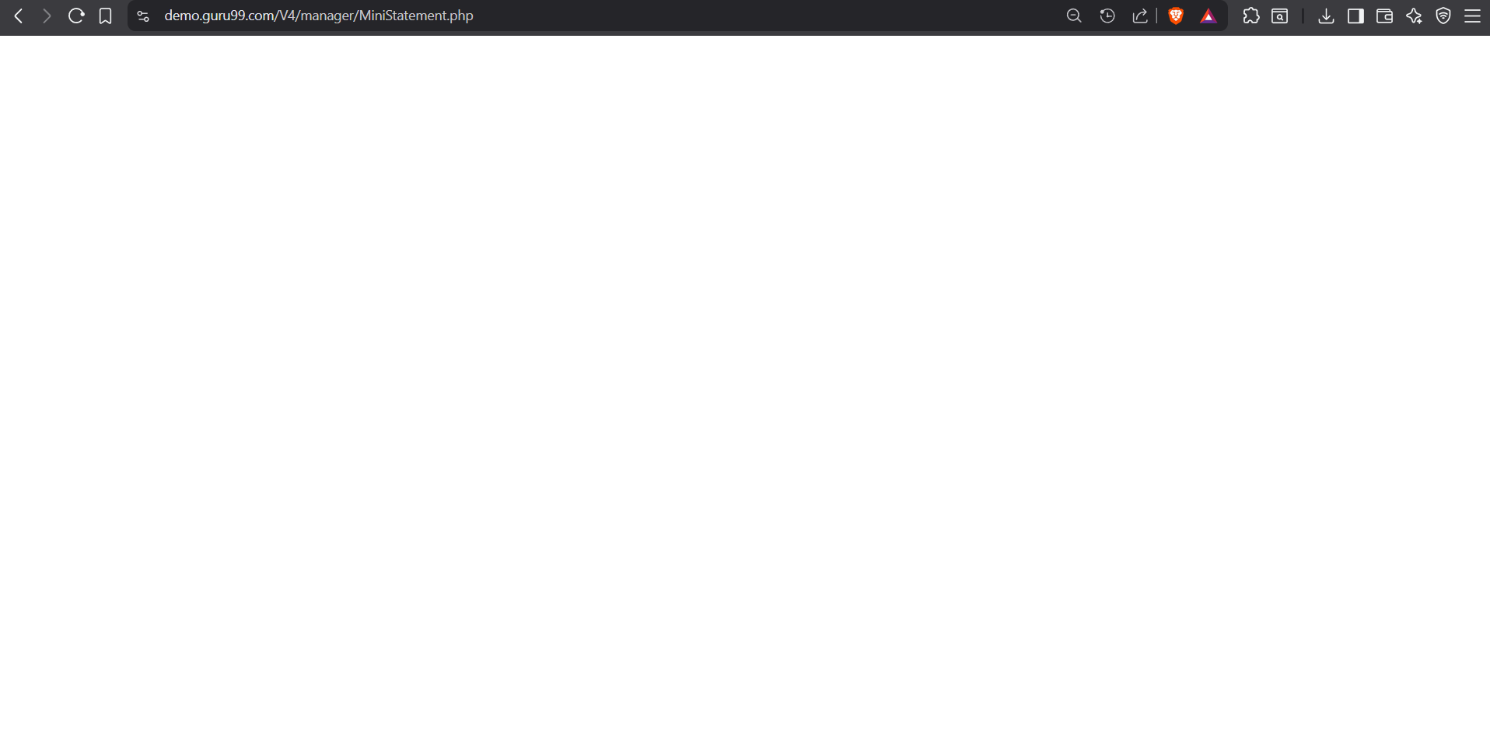
BUG-031 | Mini Statement | Mini Statement || Submit Any Input || Entire Module Non-Functional — Crashes on All Submits || All Input Types Tested | 1. Open the Chrome browser. 2. In the address bar, type: https://demo.guru99.com/V4/index.php and press Enter. 3. Wait for the Guru99 Bank login page to fully load. 4. In the 'User ID' field, enter a valid Manager User ID (e.g., mngr658460). 5. In the 'Password' field, enter the corresponding valid password. 6. Click the 'LOGIN' button. 7. Verify the Manager Home Page loads successfully and the welcome message is displayed. 8. Navigate to the 'Mini Statement' section by clicking on 'Mini Statement' in the left-side navigation menu. 9. Wait for the Mini Statement page to fully load. 10. In the 'Account No' field, enter any account number (e.g., 181778). 11. Click the 'Submit' button. 12. Wait for the result page to load. 13. Observe whether the last 5 transactions are displayed or a crash occurs. | Mini Statement should display the last 5 transactions for the specified account in a tabular format with Date, Type, Amount, and Description. | Every submission crashes the application. The entire Mini Statement module is completely non-functional for all users. | Critical
BUG-032 | Mini Statement | Mini Statement || Submit Alphabetic AccountNo || Application Crashes Instead of Showing Validation Error || Input = 'abcde' | 1. Open the Chrome browser. 2. In the address bar, type: https://demo.guru99.com/V4/index.php and press Enter. 3. Wait for the Guru99 Bank login page to fully load. 4. In the 'User ID' field, enter a valid Manager User ID (e.g., mngr658460). 5. In the 'Password' field, enter the corresponding valid password. 6. Click the 'LOGIN' button. 7. Verify the Manager Home Page loads successfully and the welcome message is displayed. 8. Navigate to the 'Mini Statement' section by clicking on 'Mini Statement' in the left-side navigation menu. 9. Wait for the Mini Statement page to fully load. 10. In the 'Account No' field, type alphabetic characters: 'abcde'. 11. Click the 'Submit' button. 12. Wait for the system response. 13. Observe whether a validation message appears or a crash occurs. | System should display the validation message: 'Characters are not allowed' . | Application crashes instead of displaying an alphabetic character validation message. | High | 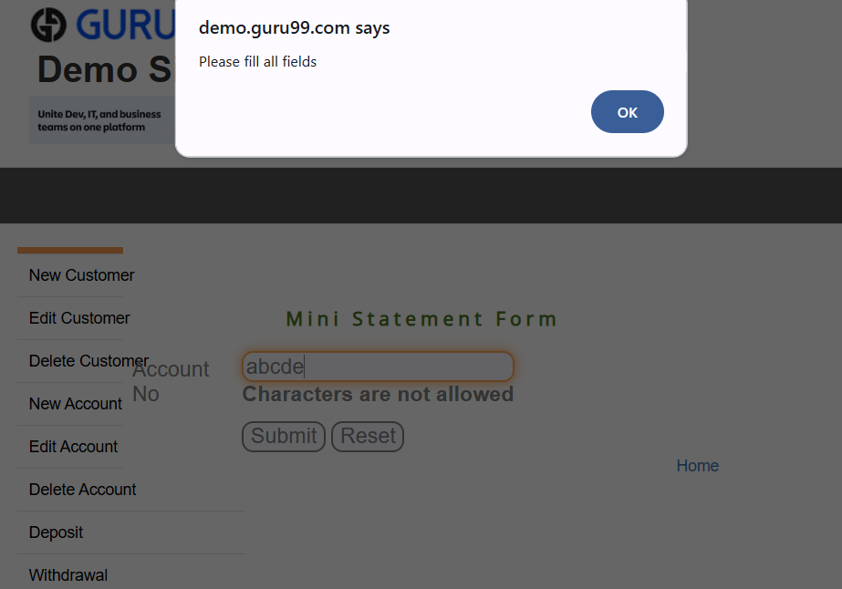
BUG-033 | Mini Statement | Mini Statement || Submit Non-Existent AccountNo || Application Crashes — No 'Account Not Found' Error || Account = 99999999 | 1. Open the Chrome browser. 2. In the address bar, type: https://demo.guru99.com/V4/index.php and press Enter. 3. Wait for the Guru99 Bank login page to fully load. 4. In the 'User ID' field, enter a valid Manager User ID (e.g., mngr658460). 5. In the 'Password' field, enter the corresponding valid password. 6. Click the 'LOGIN' button. 7. Verify the Manager Home Page loads successfully and the welcome message is displayed. 8. Navigate to the 'Mini Statement' section by clicking on 'Mini Statement' in the left-side navigation menu. 9. Wait for the Mini Statement page to fully load. 10. In the 'Account No' field, enter a non-existent account number: 99999999. 11. Click the 'Submit' button. 12. Wait for the system response. 13. Observe whether an 'Account not found' message or a crash occurs. | System should display a meaningful error message: 'Account does not exist' . | Application crashed on submit. No error message was shown — crash instead of a proper 'not found' response.Error message is displayed Loading indicator continues indefinitely | High | 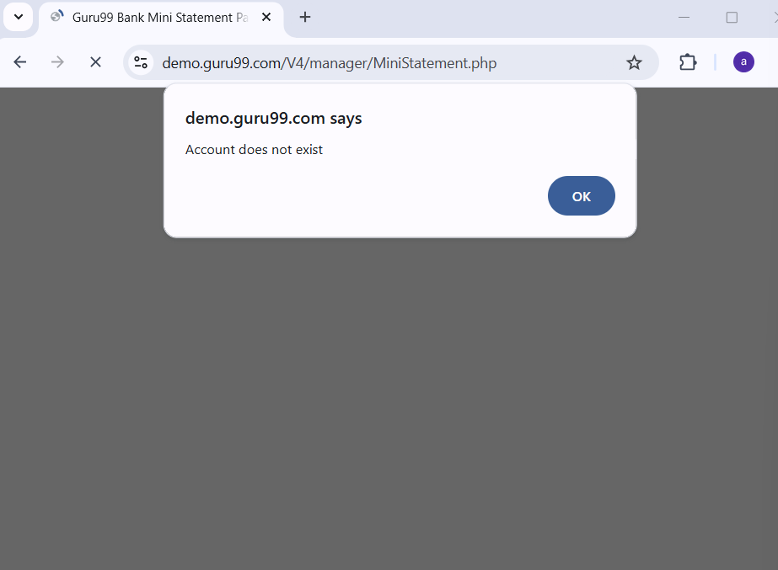
BUG-034 | Mini Statement | Mini Statement || Submit Special Characters in AccountNo || Application Crashes — No Input Validation || Input = '@#$%' | 1. Open the Chrome browser. 2. In the address bar, type: https://demo.guru99.com/V4/index.php and press Enter. 3. Wait for the Guru99 Bank login page to fully load. 4. In the 'User ID' field, enter a valid Manager User ID (e.g., mngr658460). 5. In the 'Password' field, enter the corresponding valid password. 6. Click the 'LOGIN' button. 7. Verify the Manager Home Page loads successfully and the welcome message is displayed. 8. Navigate to the 'Mini Statement' section by clicking on 'Mini Statement' in the left-side navigation menu. 9. Wait for the Mini Statement page to fully load. 10. In the 'Account No' field, type special characters: '@#$%'. 11. Click the 'Submit' button. 12. Wait for the system response. 13. Observe whether a validation message appears or a crash occurs. | System should display the validation message: 'Special characters are not allowed' . | Application crashes instead of showing a special character validation error. No input validation exists. | High | 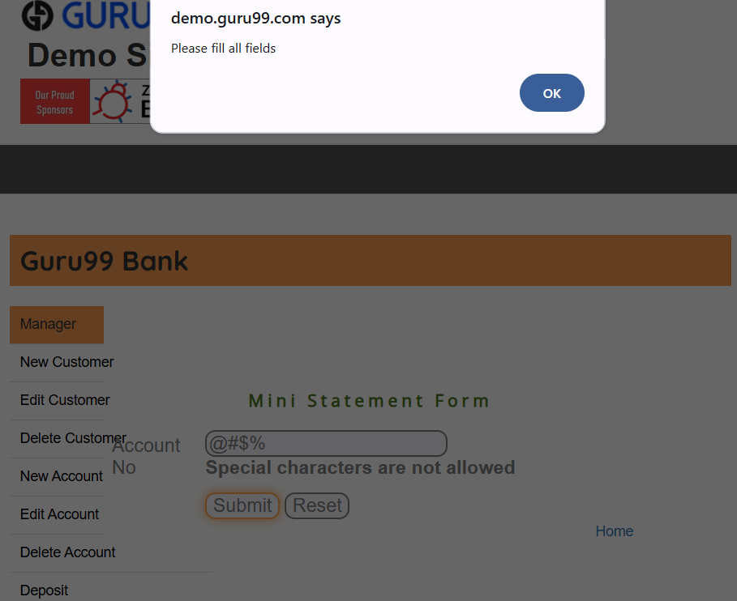
BUG-035 | Mini Statement | Mini Statement || View Page Heading || Page Heading Not Rendered — Crash Prevents All Content Display || Page Load | 1. Open the Chrome browser. 2. In the address bar, type: https://demo.guru99.com/V4/index.php and press Enter. 3. Wait for the Guru99 Bank login page to fully load. 4. In the 'User ID' field, enter a valid Manager User ID (e.g., mngr658460). 5. In the 'Password' field, enter the corresponding valid password. 6. Click the 'LOGIN' button. 7. Verify the Manager Home Page loads successfully and the welcome message is displayed. 8. Click on 'Mini Statement' in the left-side navigation menu. 9. Wait for the page to load (or attempt to). 10. Observe the main content area for a page heading. 11. Look for any heading text such as 'Mini Statement'. 12. Check whether any structured HTML content is rendered. 13. Document the actual page state (heading visible / missing / crashed). | Mini Statement page heading should be displayed prominently at the top of the content area. | Page crashes on load. No heading or content is rendered — the page is entirely broken. | Medium | 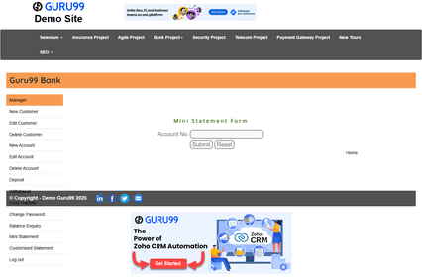
BUG-036 | Mini Statement | Mini Statement || View Result Page || Account Holder Name Never Displayed Due to Crash || Any Submit Attempt | 1. Open the Chrome browser. 2. In the address bar, type: https://demo.guru99.com/V4/index.php and press Enter. 3. Wait for the Guru99 Bank login page to fully load. 4. In the 'User ID' field, enter a valid Manager User ID (e.g., mngr658460). 5. In the 'Password' field, enter the corresponding valid password. 6. Click the 'LOGIN' button. 7. Verify the Manager Home Page loads successfully and the welcome message is displayed. 8. Navigate to the 'Mini Statement' section by clicking on 'Mini Statement' in the left-side navigation menu. 9. Wait for the Mini Statement page to fully load. 10. Enter a valid account number (e.g., 181778) in the 'Account No' field. 11. Click the 'Submit' button. 12. Wait for the result page to load. 13. Check if the Account Holder Name, Account Number, and last 5 transactions are shown. | Result page should display: Account Holder Name, Account Number, and a table of the last 5 transactions with Date, Amount, and Description. | Application crashes on every submit. No result page is ever displayed. | Critical
BUG-037 | Mini Statement | Mini Statement || Submit AccountNo for Zero-Transaction Account || Crash Instead of 'No Transactions' Message || Account with No History | 1. Open the Chrome browser. 2. In the address bar, type: https://demo.guru99.com/V4/index.php and press Enter. 3. Wait for the Guru99 Bank login page to fully load. 4. In the 'User ID' field, enter a valid Manager User ID (e.g., mngr658460). 5. In the 'Password' field, enter the corresponding valid password. 6. Click the 'LOGIN' button. 7. Verify the Manager Home Page loads successfully and the welcome message is displayed. 8. Navigate to the 'Mini Statement' section by clicking on 'Mini Statement' in the left-side navigation menu. 9. Wait for the Mini Statement page to fully load. 10. Enter an account number that has no transaction history. 11. Click the 'Submit' button. 12. Wait for the system response. 13. Observe whether a 'no transactions' message or a crash occurs. | System should display: 'No transactions found for this account' when the account has no transaction history . | Application crashes. No distinction is made between accounts with and without transaction history. | High
BUG-038 | Mini Statement | Mini Statement || Direct URL Access Without Login || Authentication Bypass — Crash Instead of Login Redirect || Unauthenticated User | 1. Open the Chrome browser. 2. Do NOT log in — keep an unauthenticated browser session. 3. Type the direct Mini Statement URL in the address bar: https://demo.guru99.com/V4/manager/MiniStatementpage.php and press Enter. 4. Wait for the page to load. 5. Observe whether the page renders or redirects to login. 6. Note the URL after the page response. 7. Check if any form or data is accessible without authentication. 8. Attempt to enter an account number if the form renders. 9. Observe the full system behavior. 10. Document all content that was accessible without authentication. | Access without authentication must redirect the user to the login page. Mini Statement functionality must not be accessible without a valid session. | Application crashes when accessed unauthenticated instead of gracefully redirecting to the login page. | Critical
BUG-039 | Mini Statement | Mini Statement || Submit Valid Numeric AccountNo || Application Crashes Even on Fully Valid Input — Core Broken || Valid Account Number | 1. Open the Chrome browser. 2. In the address bar, type: https://demo.guru99.com/V4/index.php and press Enter. 3. Wait for the Guru99 Bank login page to fully load. 4. In the 'User ID' field, enter a valid Manager User ID (e.g., mngr658460). 5. In the 'Password' field, enter the corresponding valid password. 6. Click the 'LOGIN' button. 7. Verify the Manager Home Page loads successfully and the welcome message is displayed. 8. Navigate to the 'Mini Statement' section by clicking on 'Mini Statement' in the left-side navigation menu. 9. Wait for the Mini Statement page to fully load. 10. Enter a fully valid numeric account number (e.g., 181778) in the 'Account No' field. 11. Click the 'Submit' button. 12. Wait for the result page. 13. Observe whether the application crashes even for a valid, complete input. | Valid numeric account numbers should be processed and the Mini Statement with last 5 transactions should be displayed. | Application crashes even for completely valid numeric account numbers — the module is entirely broken at its core. | Critical
BUG-040 | Mini Statement | Mini Statement || Verify 5-Transaction Display Cap || Limit Cannot Be Verified — Module Crashes Before Results Load || Module Fully Non-Functional | 1. Open the Chrome browser. 2. In the address bar, type: https://demo.guru99.com/V4/index.php and press Enter. 3. Wait for the Guru99 Bank login page to fully load. 4. In the 'User ID' field, enter a valid Manager User ID (e.g., mngr658460). 5. In the 'Password' field, enter the corresponding valid password. 6. Click the 'LOGIN' button. 7. Verify the Manager Home Page loads successfully and the welcome message is displayed. 8. Navigate to the 'Mini Statement' section by clicking on 'Mini Statement' in the left-side navigation menu. 9. Wait for the Mini Statement page to fully load. 10. Enter an account with more than 5 transactions (e.g., 181778). 11. Click the 'Submit' button. 12. Observe the result page for the number of transactions displayed. 13. Verify that a maximum of 5 transactions are shown. | Mini Statement should display a maximum of 5 most recent transactions only — the 5-transaction display cap must be enforced. | Application crashes on submit. The 5-transaction limit cannot be verified because the module fails before rendering any results. | Critical | 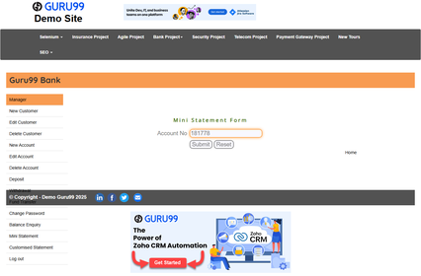
BUG-041 | Mini Statement | Mini Statement || Submit Blank AccountNo || Application Crashes Instead of Blank Field Validation || Empty Input | 1. Open the Chrome browser. 2. In the address bar, type: https://demo.guru99.com/V4/index.php and press Enter. 3. Wait for the Guru99 Bank login page to fully load. 4. In the 'User ID' field, enter a valid Manager User ID (e.g., mngr658460). 5. In the 'Password' field, enter the corresponding valid password. 6. Click the 'LOGIN' button. 7. Verify the Manager Home Page loads successfully and the welcome message is displayed. 8. Navigate to the 'Mini Statement' section by clicking on 'Mini Statement' in the left-side navigation menu. 9. Wait for the Mini Statement page to fully load. 10. Leave the 'Account No' field completely empty. 11. Click the 'Submit' button. 12. Wait for the system response. 13. Observe whether a validation message appears or the system crashes. | System should display the validation message: 'Account Number must not be blank' . | Application crashes instead of showing a blank-field validation message. | High | 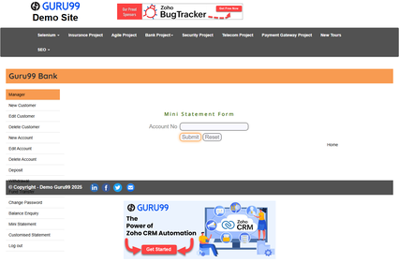
BUG-042 | New Customer | New Customer || CustomerName Field Input || Special Characters Accepted — No Input Validation Present || Input = '@#$%^&*' | 1. Open the Chrome browser. 2. In the address bar, type: https://demo.guru99.com/V4/index.php and press Enter. 3. Wait for the Guru99 Bank login page to fully load. 4. In the 'User ID' field, enter a valid Manager User ID (e.g., mngr658460). 5. In the 'Password' field, enter the corresponding valid password. 6. Click the 'LOGIN' button. 7. Verify the Manager Home Page loads successfully and the welcome message is displayed. 8. Navigate to the 'New Customer' section by clicking on 'New Customer' in the left-side navigation menu. 9. Wait for the New Customer page to fully load. 10. Click on the 'Customer Name' text input field. 11. Type special characters: '@#$%^&*' in the Customer Name field. 12. Press Tab to move focus away from the field. 13. Observe the validation message that appears below the field. | System should display the validation message: 'Special characters are not allowed' . | No validation message appears. Special characters are silently accepted in the Customer Name field — violating the SRS field validation requirement. | Medium | 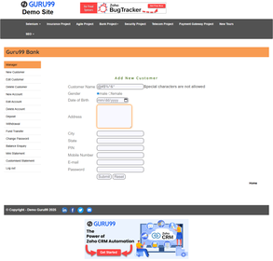
BUG-043 | New Customer | New Customer || Submit Without Selecting Gender || Gender Mandatory Field Not Enforced on Submission || Gender Field Unselected | 1. Open the Chrome browser. 2. In the address bar, type: https://demo.guru99.com/V4/index.php and press Enter. 3. Wait for the Guru99 Bank login page to fully load. 4. In the 'User ID' field, enter a valid Manager User ID (e.g., mngr658460). 5. In the 'Password' field, enter the corresponding valid password. 6. Click the 'LOGIN' button. 7. Verify the Manager Home Page loads successfully and the welcome message is displayed. 8. Navigate to the 'New Customer' section by clicking on 'New Customer' in the left-side navigation menu. 9. Wait for the New Customer page to fully load. 10. Fill in all required fields (Name, DOB, Address, City, State, PIN, Mobile, Email). 11. Do NOT select a Gender option — leave it at the default unselected state. 12. Click the 'Submit' button. 13. Observe whether a validation error appears or the form submits without gender. | System should require a Gender selection and display a validation message if Gender is not selected before form submission. | Form submits without a Gender selection, allowing customer records to be created without this required field. | Medium | 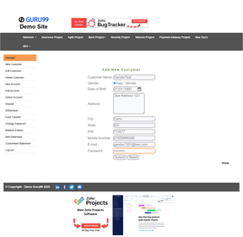
BUG-044 | New Customer | New Customer || Submit with Duplicate Email Address || Duplicate Email Accepted — No Uniqueness Check || Same Email Entered Twice | 1. Open the Chrome browser. 2. In the address bar, type: https://demo.guru99.com/V4/index.php and press Enter. 3. Wait for the Guru99 Bank login page to fully load. 4. In the 'User ID' field, enter a valid Manager User ID (e.g., mngr658460). 5. In the 'Password' field, enter the corresponding valid password. 6. Click the 'LOGIN' button. 7. Verify the Manager Home Page loads successfully and the welcome message is displayed. 8. Navigate to the 'New Customer' section by clicking on 'New Customer' in the left-side navigation menu. 9. Wait for the New Customer page to fully load. 10. Fill all required fields with valid data; set Email to: 'duplicate@test.com'. 11. Click 'Submit' to create the first customer successfully. 12. Navigate to New Customer again and fill all fields, using the same email: 'duplicate@test.com'. 13. Click 'Submit' and observe whether the system rejects the duplicate email. | System should display the error message: 'Email ID Already Exists' (per SRS functional requirement F33). | System allows multiple customer accounts to be created with identical email addresses — no uniqueness constraint is enforced. | High | 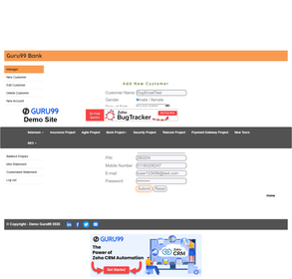
BUG-045 | New Customer | New Customer || Address Field Input || Unlimited Characters Accepted — No Maximum Length Restriction || 500+ Character Address | 1. Open the Chrome browser. 2. In the address bar, type: https://demo.guru99.com/V4/index.php and press Enter. 3. Wait for the Guru99 Bank login page to fully load. 4. In the 'User ID' field, enter a valid Manager User ID (e.g., mngr658460). 5. In the 'Password' field, enter the corresponding valid password. 6. Click the 'LOGIN' button. 7. Verify the Manager Home Page loads successfully and the welcome message is displayed. 8. Navigate to the 'New Customer' section by clicking on 'New Customer' in the left-side navigation menu. 9. Wait for the New Customer page to fully load. 10. Click on the 'Address' text input field. 11. Paste or type a string longer than 255 characters (e.g., 500 characters of text). 12. Click 'Submit' to attempt creation of the customer record. 13. Observe whether a max-length validation message appears or the form submits. | Address field should have a maximum length limit (e.g., 255 characters) with a validation message such as 'Address must not exceed 255 characters'. | Address field accepts a maximum length limit 50 Characters . | Low | 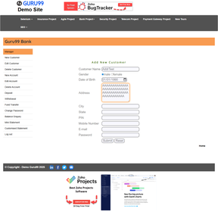
BUG-046 | Deposit | Deposit || Amount Field Input || Alphabetic Characters Accepted — No Input Type Validation || Input = 'abc' | 1. Open the Chrome browser. 2. In the address bar, type: https://demo.guru99.com/V4/index.php and press Enter. 3. Wait for the Guru99 Bank login page to fully load. 4. In the 'User ID' field, enter a valid Manager User ID (e.g., mngr658460). 5. In the 'Password' field, enter the corresponding valid password. 6. Click the 'LOGIN' button. 7. Verify the Manager Home Page loads successfully and the welcome message is displayed. 8. Navigate to the 'Deposit' section by clicking on 'Deposit' in the left-side navigation menu. 9. Wait for the Deposit page to fully load. 10. In the 'Account No' field, enter a valid account number (e.g., 181778). 11. In the 'Amount' field, type alphabetic characters: 'abc'. 12. Click the 'Submit' button. 13. Observe the validation message that appears below the Amount field. | System should display the validation message: 'Characters are not allowed' . | Alphabetic characters are accepted without any validation in the Amount field — no input type restriction exists. | 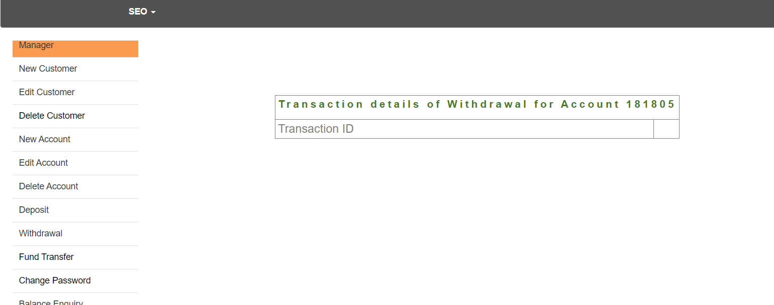 High
BUG-047 | Withdrawal | Withdrawal || Submit Amount Exceeding Available Balance || Overdraft Possible — No Balance Check Performed || Amount > Account Balance | 1. Open the Chrome browser. 2. In the address bar, type: https://demo.guru99.com/V4/index.php and press Enter. 3. Wait for the Guru99 Bank login page to fully load. 4. In the 'User ID' field, enter a valid Manager User ID (e.g., mngr658460). 5. In the 'Password' field, enter the corresponding valid password. 6. Click the 'LOGIN' button. 7. Verify the Manager Home Page loads successfully and the welcome message is displayed. 8. Navigate to the 'Withdrawal' section by clicking on 'Withdrawal' in the left-side navigation menu. 9. Wait for the Withdrawal page to fully load. 10. In the 'Account No' field, enter an account number with a known balance (e.g., account with balance 1,000). 11. In the 'Amount' field, enter an amount that exceeds the account balance (e.g., 9,999,999). 12. Click the 'Submit' button. 13. Observe whether the system rejects the overdraft or processes it. | System should reject the withdrawal and display: 'Amount exceeds current account balance' (per SRS functional requirement F14/F17). | System may process the withdrawal exceeding the balance, potentially creating a negative account balance — overdraft protection is absent. | Critical
BUG-048 | New Account | New Account || Submit with Zero Initial Deposit || Empty Bank Account Created — Zero Deposit Not Rejected || InitialDeposit = 0 | 1. Open the Chrome browser. 2. In the address bar, type: https://demo.guru99.com/V4/index.php and press Enter. 3. Wait for the Guru99 Bank login page to fully load. 4. In the 'User ID' field, enter a valid Manager User ID (e.g., mngr658460). 5. In the 'Password' field, enter the corresponding valid password. 6. Click the 'LOGIN' button. 7. Verify the Manager Home Page loads successfully and the welcome message is displayed. 8. Navigate to the 'New Account' section by clicking on 'New Account' in the left-side navigation menu. 9. Wait for the New Account page to fully load. 10. In the 'Customer ID' field, enter a valid Customer ID (e.g., 858). 11. Select a valid Account Type from the dropdown (e.g., 'Savings'). 12. In the 'Initial Deposit' field, enter: 0 (zero). 13. Click 'Submit' and observe whether the system rejects the zero deposit. | System should reject a zero initial deposit and display: 'Initial Deposit cannot be zero' or enforce a minimum deposit (per SRS F31: initial deposit less than 500 should display an error). | Application Crash (Black Screen) When Submitting Zero Initial Deposit | Medium | 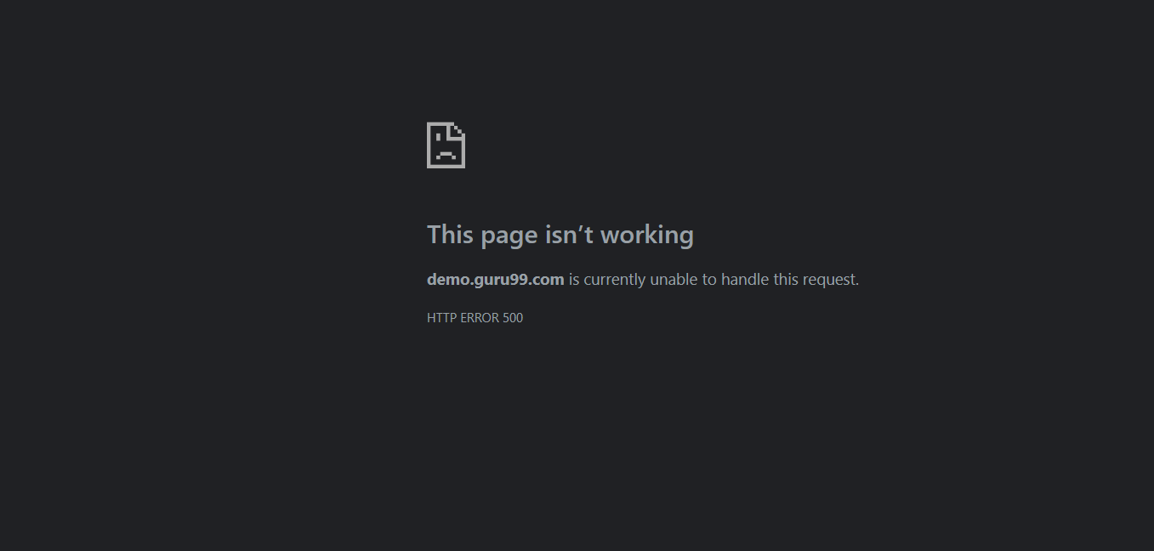
BUG-049 | Delete Customer | Delete Customer || Confirm Deletion Action || No Confirmation Dialog — Single Click Causes Permanent Deletion || Any Customer ID | 1. Open the Chrome browser. 2. In the address bar, type: https://demo.guru99.com/V4/index.php and press Enter. 3. Wait for the Guru99 Bank login page to fully load. 4. In the 'User ID' field, enter a valid Manager User ID (e.g., mngr658460). 5. In the 'Password' field, enter the corresponding valid password. 6. Click the 'LOGIN' button. 7. Verify the Manager Home Page loads successfully and the welcome message is displayed. 8. Navigate to the 'Delete Customer' section by clicking on 'Delete Customer' in the left-side navigation menu. 9. Wait for the Delete Customer page to fully load. 10. In the 'Customer ID' field, enter a valid Customer ID (e.g., 858). 11. Click the 'Submit' button to initiate the deletion. 12. Observe whether a confirmation dialog or warning message appears. 13. Note whether the deletion executes immediately or waits for user confirmation. | System should display a confirmation dialog: 'Are you sure you want to delete this customer?' with 'Yes' and 'No' options before proceeding with the permanent deletion. | Deletion proceeds immediately via a JavaScript alert without a proper two-step confirmation flow — a single confirmation click causes permanent irreversible deletion. | High | 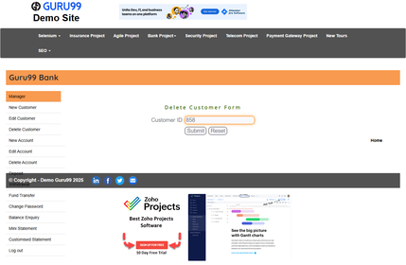
BUG-050 | Delete Account | Delete Account || Delete Funded Account || No Balance Warning Before Deletion — Active Balance Silently Lost || Account Has Positive Balance | 1. Open the Chrome browser. 2. In the address bar, type: https://demo.guru99.com/V4/index.php and press Enter. 3. Wait for the Guru99 Bank login page to fully load. 4. In the 'User ID' field, enter a valid Manager User ID (e.g., mngr658460). 5. In the 'Password' field, enter the corresponding valid password. 6. Click the 'LOGIN' button. 7. Verify the Manager Home Page loads successfully and the welcome message is displayed. 8. Navigate to the 'Delete Account' section by clicking on 'Delete Account' in the left-side navigation menu. 9. Wait for the Delete Account page to fully load. 10. In the 'Account No' field, enter an account number that has a positive balance. 11. Click the 'Submit' button to initiate account deletion. 12. Observe whether a balance warning message appears before deletion. 13. Check whether the system prevents deletion of accounts with positive balances. | System should display a warning: 'This account has a positive balance. Deleting it will result in loss of funds. Are you sure you want to continue?' before allowing deletion of funded accounts. | -System displays a JavaScript alert confirmation instead of a proper confirmation dialog - Deletion is triggered through a single-step confirmation (OK button only) - No clear Yes/No modal flow is provided - User experience lacks a standard two-step confirmation UI before permanent deletion | High | 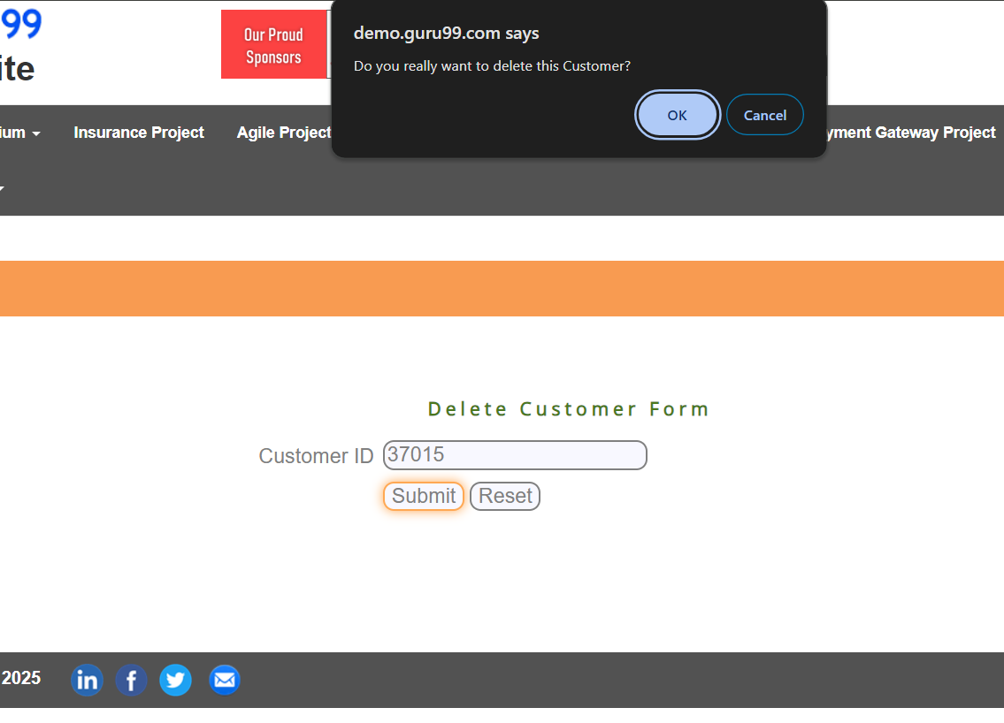
BUG-051 | Login | Login || Login with Uppercase Email Address || Valid Registered User Locked Out — Email Login Is Case-Sensitive || Input = UPPERCASE@EMAIL.COM | 1. Open the Chrome browser. 2. Navigate to: https://demo.guru99.com/insurance/v1/register.php. 3. Complete registration using a lowercase email: test@example.com. 4. After successful registration, navigate to the login page: https://demo.guru99.com/insurance/v1/index.php. 5. In the 'Email' field, type the UPPERCASE version of the email: TEST@EXAMPLE.COM. 6. In the 'Password' field, enter the correct password. 7. Click the 'Log in' button. 8. Observe whether login succeeds or fails. 9. Note the exact error message displayed if login fails. 10. Compare the result to logging in with the correct lowercase email. | Login should be case-insensitive for email addresses. The user should be able to log in successfully regardless of the case used for the email address. | Login FAILED when using the uppercase version of the email. System is case-sensitive for email authentication — locking out valid registered users. | Medium | 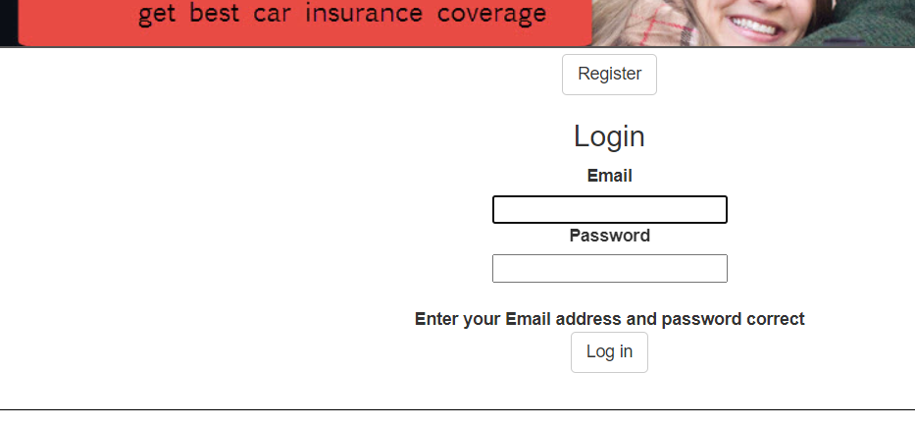
BUG-052 | Login | Login || Access Forgot Password Feature || Feature Completely Absent — No Account Recovery Path Available || Forgotten Password Scenario | 1. Open the Chrome browser. 2. Navigate to: https://demo.guru99.com/insurance/v1/index.php. 3. Wait for the login page to fully load. 4. Examine the login form and surrounding page content. 5. Look for a 'Forgot Password' link or 'Reset Password' option. 6. Check the footer and navigation bar for any password recovery link. 7. Verify whether any account recovery option exists anywhere on the page. 8. Check if there is a link on the registration page for password recovery. 9. Attempt to navigate to /forgot_password or /reset_password manually. 10. Document whether any self-service password recovery exists. | Every login page should provide a 'Forgot Password?' link that allows users to recover or reset their password via a registered email address. | No 'Forgot Password' or account recovery option exists anywhere in the application. Users who forget their password have no self-service recovery path. | Medium | 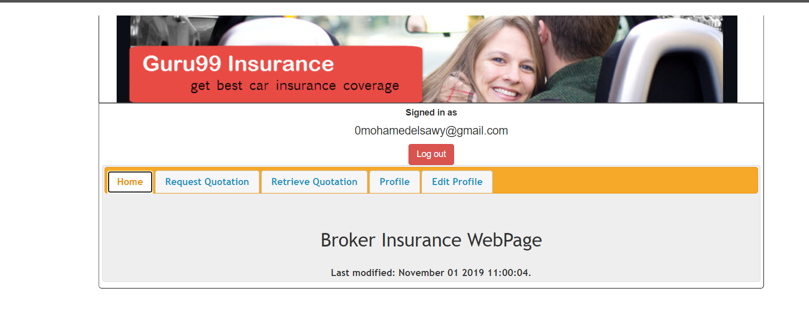
BUG-053 | Registration | Registration || Phone Field Input || Alphabetic Characters Accepted — No Client or Server-Side Validation || Input = 'abcdef' | 1. Open the Chrome browser. 2. Navigate to: https://demo.guru99.com/insurance/v1/register.php. 3. Wait for the registration form to fully load. 4. Click on the 'Phone' text input field. 5. Type alphabetic characters: 'abcdef' in the Phone field. 6. Press Tab to move focus away from the field. 7. Observe whether any validation message appears below the field. 8. Attempt to submit the form with the invalid phone number. 9. Observe the system response on form submission. 10. Document whether alphabetic input was accepted or rejected. | System should display a validation message: 'Characters are not allowed' when alphabetic input is entered in the Phone number field. | No verification message appears. Alphabetical characters are not accepted in the phone number field without any intervention from either the client or server. | Medium | 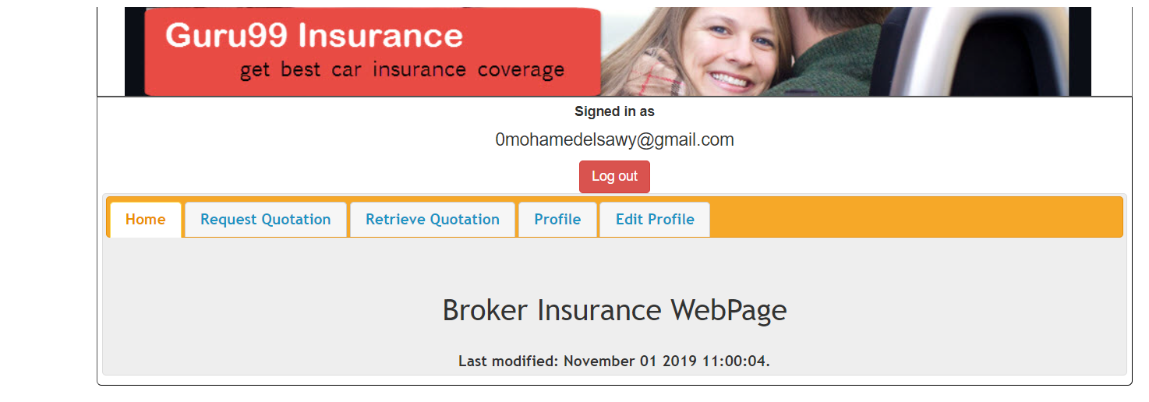
BUG-054 | Registration | Registration || Date of Birth Year Dropdown || Range Restricted to Only 1935–2016 — Real Users Excluded || Born Before 1935 or After 2016 | 1. Open the Chrome browser. 2. Navigate to: https://demo.guru99.com/insurance/v1/register.php. 3. Wait for the registration form to fully load. 4. Locate the 'Date of Birth' section with year, month, and day dropdowns. 5. Click on the Year dropdown to expand the list of available years. 6. Observe the minimum and maximum year values available in the dropdown. 7. Note: the minimum should support users born in years before 1935. 8. Check if users born after 2005 can also register (minimum age consideration). 9. Attempt to select a year outside the available range. 10. Document the exact available year range shown in the dropdown. | The Date of Birth year dropdown should support a wide range of years allowing all adult users to register (e.g., 1920–2007 for an 18+ minimum age rule). | Year dropdown is restricted to an extremely limited range (1935–1995), excluding users born before 1935 or in modern years — many valid users cannot register. | Low | 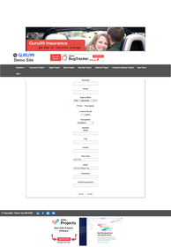
BUG-055 | Registration | Registration || Licence Period Dropdown || Values Up to 80 Years Available — Maximum Should Be 20 Years || Unrealistic Period Selectable | 1. Open the Chrome browser. 2. Navigate to: https://demo.guru99.com/insurance/v1/register.php. 3. Wait for the registration form to fully load. 4. Locate the 'Licence Period' dropdown field. 5. Click on the dropdown to expand the list of available values. 6. Observe the maximum value available in the Licence Period dropdown. 7. Note whether values above 20 years are available. 8. Check what the typical maximum valid driving licence period should be (e.g., 1–20 years). 9. Select the maximum value and observe if any validation rejects it. 10. Document the exact range of values available. | Licence Period dropdown should realistically cap at 20 years maximum. Values beyond the realistic driving licence period should not be selectable. | Licence Period values up to 80 years are available in the dropdown — an unrealistic and invalid maximum that indicates no business rule validation on this field. | Low | 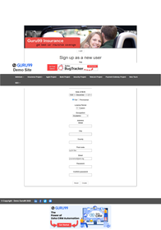
BUG-056 | Registration | Registration || Submit with Duplicate Email Address || Duplicate Account Allowed — No Uniqueness Validation || Same Email Registered Twice | 1. Open the Chrome browser. 2. Navigate to: https://demo.guru99.com/insurance/v1/register.php. 3. Complete full registration with email: 'duplicate@test.com' and all required fields. 4. Click 'Create' to submit the registration successfully. 5. Navigate back to the registration page. 6. Fill all fields again using the SAME email: 'duplicate@test.com'. 7. Click 'Create' to attempt registration of a second account with the same email. 8. Observe whether the system rejects the duplicate email. 9. Note the exact error message if any is displayed. 10. Verify whether two accounts with the same email are allowed. | System should display an error message: 'Email has already been taken' or 'This email is already registered' when a duplicate email is submitted. | System allows multiple accounts to be registered with identical email addresses — no uniqueness validation exists on the email field. | High | 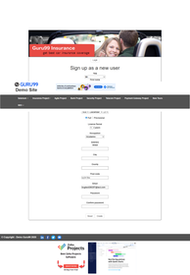
BUG-057 | Registration | Registration || Date of Birth Field Temporal Validation || Future Date of Birth Accepted Without Rejection || DOB Year = 2030 | 1. Open the Chrome browser. 2. Navigate to: https://demo.guru99.com/insurance/v1/register.php. 3. Wait for the registration form to fully load. 4. Locate the 'Date of Birth' year dropdown. 5. Select the earliest year available in the Year dropdown (e.g., 1935). 6. Select any month and day that result in an extremely old or impossible DOB. 7. Attempt to select a year indicating an age over 120 years. 8. Click 'Create' to submit the registration. 9. Observe whether the system validates the date of birth as realistic. 10. Document whether an unrealistic date of birth was accepted. | System should validate the Date of Birth against a realistic age range (e.g., 18–100 years old) and reject dates indicating an impossible or unrealistic age. | date-of-birth range validation exists. Unrealistic dates (e.g., year 1935 indicating age 90+) are accepted without any validation error. | Medium | 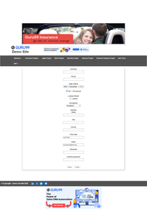
BUG-058 | Request Quotation | Request Quotation || Start of Policy Year Dropdown || Current Year 2026 Missing — New Policies Cannot Start This Year || New Policy for 2026 | 1. Open the Chrome browser. 2. In the address bar, type: https://demo.guru99.com/insurance/v1/index.php and press Enter. 3. Wait for the Guru99 Insurance login page to fully load. 4. In the 'Email' field, enter a valid registered email address. 5. In the 'Password' field, enter the corresponding valid password. 6. Click the 'Log in' button. 7. Verify the Insurance dashboard loads successfully. 8. Click on the 'Request Quotation' tab in the Insurance dashboard. 9. Wait for the Request Quotation page to fully load. 10. Locate the 'Policy Start Date' year dropdown in the quotation form. 11. Click the year dropdown to expand the available options. 12. Check whether the current year (2026) is available in the year dropdown. 13. Attempt to select 2026 and observe whether it is present or absent. | The Policy Start Date year dropdown should include the current year (2026) as a valid option so users can create policies starting in the current year. | The year 2026 is absent from the Policy Start Date dropdown. The available range ends at 1995— users cannot initiate new policies for the current year. | High | 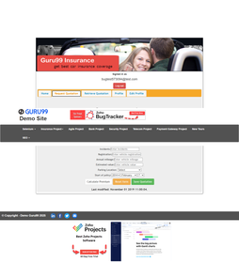
BUG-059 | Request Quotation | Request Quotation || Submit with Blank Vehicle Registration || Premium Calculated Without Required Registration Number || Mandatory Field Left Empty | 1. Open the Chrome browser. 2. In the address bar, type: https://demo.guru99.com/insurance/v1/index.php and press Enter. 3. Wait for the Guru99 Insurance login page to fully load. 4. In the 'Email' field, enter a valid registered email address. 5. In the 'Password' field, enter the corresponding valid password. 6. Click the 'Log in' button. 7. Verify the Insurance dashboard loads successfully. 8. Click on the 'Request Quotation' tab in the Insurance dashboard. 9. Wait for the Request Quotation page to fully load. 10. Locate the 'Vehicle Registration Number' field on the quotation form. 11. Leave the Vehicle Registration Number field completely empty. 12. Fill all other required fields with valid values. 13. Click 'Next' or 'Submit' and observe whether the blank field is validated. | System should display a validation error: 'Vehicle Registration Number is required' when the mandatory field is left empty. | Form submits or calculates a premium without requiring the vehicle registration number — a mandatory field is not enforced. | High | 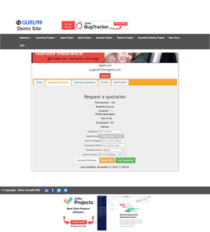
BUG-060 | Request Quotation | Request Quotation || Policy Start Date Validation || Past Date Accepted — No Temporal Validation Exists || Start Year Set to 2014 | 1. Open the Chrome browser. 2. In the address bar, type: https://demo.guru99.com/insurance/v1/index.php and press Enter. 3. Wait for the Guru99 Insurance login page to fully load. 4. In the 'Email' field, enter a valid registered email address. 5. In the 'Password' field, enter the corresponding valid password. 6. Click the 'Log in' button. 7. Verify the Insurance dashboard loads successfully. 8. Click on the 'Request Quotation' tab in the Insurance dashboard. 9. Wait for the Request Quotation page to fully load. 10. Locate the 'Policy Start Date' Year dropdown. 11. Select a past year from the dropdown (e.g., 2014). 12. Fill in all other required fields with valid values. 13. Click 'Next' or 'Submit' and observe whether the past date is rejected. | System should reject past policy start dates and display: 'Policy start date cannot be in the past'. | Past years (e.g., 2014) are accepted without any validation error — insurance policies can be backdated without restriction. | Medium | 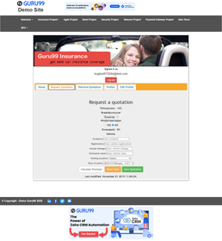
BUG-061 | Request Quotation | Request Quotation || Vehicle Value Input || Zero or Negative Value Accepted — Invalid Quote Generated || Vehicle Value ≤ 0 | 1. Open the Chrome browser. 2. In the address bar, type: https://demo.guru99.com/insurance/v1/index.php and press Enter. 3. Wait for the Guru99 Insurance login page to fully load. 4. In the 'Email' field, enter a valid registered email address. 5. In the 'Password' field, enter the corresponding valid password. 6. Click the 'Log in' button. 7. Verify the Insurance dashboard loads successfully. 8. Click on the 'Request Quotation' tab in the Insurance dashboard. 9. Wait for the Request Quotation page to fully load. 10. Locate the 'Vehicle Value' input field on the quotation form. 11. Enter the value: 0 (zero) in the Vehicle Value field. 12. Fill all other required fields with valid data. 13. Click 'Next' or 'Submit' and observe the system response. | System should reject a zero vehicle value and display: 'Vehicle Value must be greater than zero'. A vehicle worth zero cannot be insured. | Zero or negative vehicle values are accepted without validation — an invalid quotation can be generated for a vehicle with no monetary value. | High | 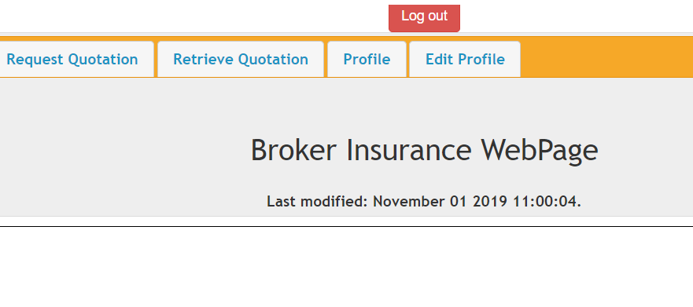
BUG-062 | Request Quotation | Request Quotation || Driver Age Validation || No Minimum Age Check — Underage Driver (Under 17) Accepted || Driver Age < 17 Years | 1. Open the Chrome browser. 2. In the address bar, type: https://demo.guru99.com/insurance/v1/index.php and press Enter. 3. Wait for the Guru99 Insurance login page to fully load. 4. In the 'Email' field, enter a valid registered email address. 5. In the 'Password' field, enter the corresponding valid password. 6. Click the 'Log in' button. 7. Verify the Insurance dashboard loads successfully. 8. Click on the 'Request Quotation' tab in the Insurance dashboard. 9. Wait for the Request Quotation page to fully load. 10. Locate the driver's 'Date of Birth' year dropdown or date field. 11. Select a date of birth that indicates the driver is under 17 years old. 12. Fill all other required fields with valid data. 13. Click 'Next' or 'Submit' and observe whether the underage driver is rejected. | System should reject drivers under the minimum legal driving age (17 years) and display: 'Driver must be at least 17 years old to obtain insurance'. | No minimum age validation exists. An underage driver (under 17 years old) is accepted and a quotation is generated — violating insurance regulation. | High | 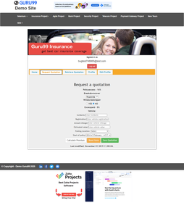
BUG-063 | Request Quotation | Request Quotation || Form Submission Flow || No Review or Summary Step Before Finalization || User Cannot Verify Inputs Before Submit | 1. Open the Chrome browser. 2. In the address bar, type: https://demo.guru99.com/insurance/v1/index.php and press Enter. 3. Wait for the Guru99 Insurance login page to fully load. 4. In the 'Email' field, enter a valid registered email address. 5. In the 'Password' field, enter the corresponding valid password. 6. Click the 'Log in' button. 7. Verify the Insurance dashboard loads successfully. 8. Click on the 'Request Quotation' tab in the Insurance dashboard. 9. Wait for the Request Quotation page to fully load. 10. Fill all required fields in the Request Quotation form with valid values. 11. Review the form to verify all data is correctly entered. 12. Click 'Next' or 'Submit' to proceed. 13. Observe whether a review/summary step is presented before finalizing the quotation. | Before finalizing the quotation, a review/summary page should be displayed showing all entered details for the user to verify before submission. | No review or summary step exists. The form is submitted directly without giving the user an opportunity to review their inputs. | Medium
BUG-064 | Request Quotation | Request Quotation || Browser Back/Forward Navigation || All Form Data Lost — No Preservation or Warning Message || Browser Navigation Controls Used | 1. Open the Chrome browser. 2. In the address bar, type: https://demo.guru99.com/insurance/v1/index.php and press Enter. 3. Wait for the Guru99 Insurance login page to fully load. 4. In the 'Email' field, enter a valid registered email address. 5. In the 'Password' field, enter the corresponding valid password. 6. Click the 'Log in' button. 7. Verify the Insurance dashboard loads successfully. 8. Click on the 'Request Quotation' tab in the Insurance dashboard. 9. Wait for the Request Quotation page to fully load. 10. Fill in all required fields in the Request Quotation form. 11. After partially filling the form, click the browser's Back button. 12. Then click the browser's Forward button to return to the form. 13. Observe whether all previously entered field values are preserved or lost. | All form data should be preserved during browser back/forward navigation, or a warning should be shown before leaving the form. | All form data is completely lost when using browser back/forward navigation. No data preservation or unsaved-changes warning exists. | Medium
BUG-065 | Retrieve Quotation | Retrieve Quotation || Submit Blank QuotationID || Silent Redirect to Home — No Validation Error Message Shown || Empty Field Submitted | 1. Open the Chrome browser. 2. In the address bar, type: https://demo.guru99.com/insurance/v1/index.php and press Enter. 3. Wait for the Guru99 Insurance login page to fully load. 4. In the 'Email' field, enter a valid registered email address. 5. In the 'Password' field, enter the corresponding valid password. 6. Click the 'Log in' button. 7. Verify the Insurance dashboard loads successfully. 8. Click on the 'Retrieve Quotation' tab in the Insurance dashboard. 9. Wait for the Retrieve Quotation page to fully load. 10. Locate the 'Identification Number' input field on the Retrieve Quotation form. 11. Leave the Identification Number field completely empty. 12. Click the 'Retrieve' button to submit the blank form. 13. Observe whether a validation error appears or a silent redirect occurs. | System should display a validation error: 'Identification Number is required' when the field is submitted blank. | System performs a silent redirect to the home page without displaying any validation message — the user receives no feedback about the blank input. | High | 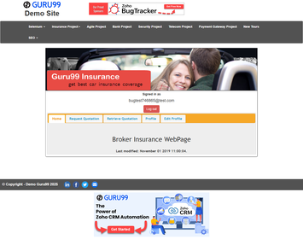
BUG-066 | Retrieve Quotation | Retrieve Quotation || Submit Invalid QuotationID || Silent Redirect to Home — No 'Quotation Not Found' Error || Non-Existent Quotation ID | 1. Open the Chrome browser. 2. In the address bar, type: https://demo.guru99.com/insurance/v1/index.php and press Enter. 3. Wait for the Guru99 Insurance login page to fully load. 4. In the 'Email' field, enter a valid registered email address. 5. In the 'Password' field, enter the corresponding valid password. 6. Click the 'Log in' button. 7. Verify the Insurance dashboard loads successfully. 8. Click on the 'Retrieve Quotation' tab in the Insurance dashboard. 9. Wait for the Retrieve Quotation page to fully load. 10. Locate the 'Identification Number' input field on the Retrieve Quotation form. 11. Enter a non-existent Quotation ID: 'XXXX999999'. 12. Click the 'Retrieve' button. 13. Observe whether the system displays a 'Quotation Not Found' error or redirects. | System should display a clear error message: 'Wrong Retrieve Quotation ID. Please Check' when an invalid quotation ID is entered. | System shows the error 'Wrong Retrieve Quotation ID. Please Check' — this error message is technically functional but lacks the account number that was queried. | Medium | 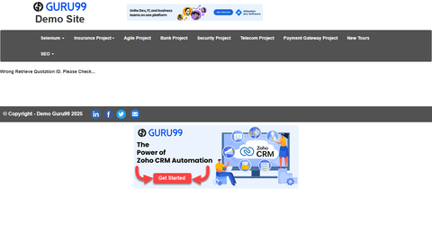
BUG-067 | Retrieve Quotation | Retrieve Quotation || Submit Special Characters as QuotationID || No Sanitization — XSS Protection Absent || Input = '<script>alert(1)</script>' | 1. Open the Chrome browser. 2. In the address bar, type: https://demo.guru99.com/insurance/v1/index.php and press Enter. 3. Wait for the Guru99 Insurance login page to fully load. 4. In the 'Email' field, enter a valid registered email address. 5. In the 'Password' field, enter the corresponding valid password. 6. Click the 'Log in' button. 7. Verify the Insurance dashboard loads successfully. 8. Click on the 'Retrieve Quotation' tab in the Insurance dashboard. 9. Wait for the Retrieve Quotation page to fully load. 10. Locate the 'Identification Number' input field. 11. Enter an XSS payload as the input: <script>alert(1)</script>. 12. Click the 'Retrieve' button to submit the malicious payload. 13. Observe whether the script executes, is sanitized, or generates an error. | System should sanitize all user inputs and reject or escape special HTML characters. No JavaScript payload should execute in the browser. | No input sanitization exists on the Identification Number field. The XSS payload is submitted without rejection — potential Cross-Site Scripting (XSS) vulnerability. | High | 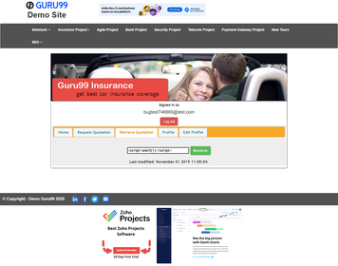
BUG-068 | Edit Profile | Edit Profile || Save First Name Change || First Name Not Updated — Silent Failure Bug Confirmed || After Clicking Update User | 1. Open the Chrome browser. 2. In the address bar, type: https://demo.guru99.com/insurance/v1/index.php and press Enter. 3. Wait for the Guru99 Insurance login page to fully load. 4. In the 'Email' field, enter a valid registered email address. 5. In the 'Password' field, enter the corresponding valid password. 6. Click the 'Log in' button. 7. Verify the Insurance dashboard loads successfully. 8. Click on the 'Edit Profile' tab in the Insurance dashboard. 9. Wait for the Edit Profile page to fully load. 10. Locate the 'First Name' field in the Edit Profile form. 11. Clear the existing value and type a new first name (e.g., 'UpdatedName'). 12. Click the 'Update User' button to save the changes. 13. Navigate away and return to Edit Profile to verify if the name was saved. | After clicking 'Update User', the system should save the new First Name and display it correctly when the profile is viewed again. | First Name is not updated after clicking 'Update User'. The old value is displayed on return — confirmed Silent Failure bug where no data is actually persisted. | Medium | 
BUG-069 | Edit Profile | Edit Profile || Save Phone Number Change || Phone Number Not Saved — Silent Failure Bug Confirmed || After Clicking Update User | 1. Open the Chrome browser. 2. In the address bar, type: https://demo.guru99.com/insurance/v1/index.php and press Enter. 3. Wait for the Guru99 Insurance login page to fully load. 4. In the 'Email' field, enter a valid registered email address. 5. In the 'Password' field, enter the corresponding valid password. 6. Click the 'Log in' button. 7. Verify the Insurance dashboard loads successfully. 8. Click on the 'Edit Profile' tab in the Insurance dashboard. 9. Wait for the Edit Profile page to fully load. 10. Locate the 'Phone' field in the Edit Profile form. 11. Clear the existing value and type a new phone number (e.g., '0123456789'). 12. Click the 'Update User' button to save the changes. 13. Navigate away and return to Edit Profile to verify if the phone number was saved. | After clicking 'Update User', the system should save the new Phone Number and display it correctly when the profile is viewed again. | Phone Number is not updated after clicking 'Update User'. The old value persists on return — Silent Failure affects the Phone field as well. | Medium | 
BUG-070 | Edit Profile | Edit Profile || Save Occupation Change || Occupation Not Persisted — Silent Failure Bug Confirmed || After Clicking Update User | 1. Open the Chrome browser. 2. In the address bar, type: https://demo.guru99.com/insurance/v1/index.php and press Enter. 3. Wait for the Guru99 Insurance login page to fully load. 4. In the 'Email' field, enter a valid registered email address. 5. In the 'Password' field, enter the corresponding valid password. 6. Click the 'Log in' button. 7. Verify the Insurance dashboard loads successfully. 8. Click on the 'Edit Profile' tab in the Insurance dashboard. 9. Wait for the Edit Profile page to fully load. 10. Locate the 'Occupation' dropdown in the Edit Profile form. 11. Select a different occupation from the current one. 12. Click the 'Update User' button to save the change. 13. Navigate away and return to Edit Profile to verify if the occupation was saved. | After clicking 'Update User', the system should save the newly selected Occupation and display it correctly when the profile is viewed again. | Occupation is not saved after clicking 'Update User'. The original value is shown on return — Silent Failure confirmed for the Occupation field. | Medium
BUG-071 | Edit Profile | Edit Profile || Licence Period Dropdown Values || Range Shows 1–80 Years — Same Data Bug as Registration (Max = 20) || Edit Profile Form | 1. Open the Chrome browser. 2. In the address bar, type: https://demo.guru99.com/insurance/v1/index.php and press Enter. 3. Wait for the Guru99 Insurance login page to fully load. 4. In the 'Email' field, enter a valid registered email address. 5. In the 'Password' field, enter the corresponding valid password. 6. Click the 'Log in' button. 7. Verify the Insurance dashboard loads successfully. 8. Click on the 'Edit Profile' tab in the Insurance dashboard. 9. Wait for the Edit Profile page to fully load. 10. Locate the 'Licence Period' dropdown in the Edit Profile form. 11. Click the dropdown to expand the available options. 12. Observe the maximum value available in the Licence Period dropdown. 13. Note whether values exceeding 20 years are selectable. | The Licence Period dropdown should cap at a realistic maximum of 20 years. Values beyond this represent an invalid period. | Licence Period values up to 80 years are available — same data bug as the Registration form. No business rule limits the selectable period. | Low
BUG-072 | Edit Profile | Edit Profile || Save Licence Type Change || Licence Type Not Updated — Silent Failure Bug (Full → Provisional) || After Clicking Update User | 1. Open the Chrome browser. 2. In the address bar, type: https://demo.guru99.com/insurance/v1/index.php and press Enter. 3. Wait for the Guru99 Insurance login page to fully load. 4. In the 'Email' field, enter a valid registered email address. 5. In the 'Password' field, enter the corresponding valid password. 6. Click the 'Log in' button. 7. Verify the Insurance dashboard loads successfully. 8. Click on the 'Edit Profile' tab in the Insurance dashboard. 9. Wait for the Edit Profile page to fully load. 10. Locate the 'Licence Type' dropdown in the Edit Profile form. 11. Change the selection from current value (e.g., 'Full') to 'Provisional'. 12. Click the 'Update User' button to save the change. 13. Navigate away and return to Edit Profile to verify if the type was updated. | After clicking 'Update User', the changed Licence Type should be saved and reflected when the profile is viewed again. | Licence Type is not saved after clicking 'Update User'. The original selection persists — Silent Failure confirmed for the Licence Type field. | Medium
BUG-073 | Edit Profile | Edit Profile || Click Update User Button || No Success or Failure Feedback Displayed — Zero User Feedback || After Any Field Modification | 1. Open the Chrome browser. 2. In the address bar, type: https://demo.guru99.com/insurance/v1/index.php and press Enter. 3. Wait for the Guru99 Insurance login page to fully load. 4. In the 'Email' field, enter a valid registered email address. 5. In the 'Password' field, enter the corresponding valid password. 6. Click the 'Log in' button. 7. Verify the Insurance dashboard loads successfully. 8. Click on the 'Edit Profile' tab in the Insurance dashboard. 9. Wait for the Edit Profile page to fully load. 10. Modify any field (e.g., change the Phone field to a new value). 11. Click the 'Update User' button. 12. Wait for the system to respond after clicking the button. 13. Observe whether any success or failure feedback message is displayed to the user. | After clicking 'Update User', the system should display a clear feedback message such as 'Profile updated successfully' or 'Update failed. Please try again.' | No success or failure feedback is displayed after clicking 'Update User'. The user receives zero feedback — they cannot know if the update succeeded or failed. | Medium
BUG-074 | Edit Profile | Edit Profile || Save Email Address Change || Email Not Updated — Silent Failure Bug Extends to Email Field || After Clicking Update User | 1. Open the Chrome browser. 2. In the address bar, type: https://demo.guru99.com/insurance/v1/index.php and press Enter. 3. Wait for the Guru99 Insurance login page to fully load. 4. In the 'Email' field, enter a valid registered email address. 5. In the 'Password' field, enter the corresponding valid password. 6. Click the 'Log in' button. 7. Verify the Insurance dashboard loads successfully. 8. Click on the 'Edit Profile' tab in the Insurance dashboard. 9. Wait for the Edit Profile page to fully load. 10. Locate the 'Email' field in the Edit Profile form. 11. Clear the existing email and type a different valid email address. 12. Click the 'Update User' button to save the change. 13. Navigate away and return to Edit Profile to verify if the email was updated. | After clicking 'Update User', the new Email address should be saved and displayed correctly in the profile view. | Email address is not updated after clicking 'Update User'. The old email persists on return — Silent Failure extends to the Email field. | Medium
BUG-075 | Edit Profile | Edit Profile || Save Surname Change || Surname Not Persisted — Silent Failure Confirmed Across All Profile Fields || After Clicking Update User | 1. Open the Chrome browser. 2. In the address bar, type: https://demo.guru99.com/insurance/v1/index.php and press Enter. 3. Wait for the Guru99 Insurance login page to fully load. 4. In the 'Email' field, enter a valid registered email address. 5. In the 'Password' field, enter the corresponding valid password. 6. Click the 'Log in' button. 7. Verify the Insurance dashboard loads successfully. 8. Click on the 'Edit Profile' tab in the Insurance dashboard. 9. Wait for the Edit Profile page to fully load. 10. Locate the 'Surname' field in the Edit Profile form. 11. Clear the current surname and type a new surname value. 12. Click the 'Update User' button to save the change. 13. Navigate away and return to Edit Profile to verify if the surname was saved. | After clicking 'Update User', the new Surname should be saved and displayed correctly when the profile is viewed again. | Surname is not saved after clicking 'Update User'. The original value persists — Silent Failure is confirmed across ALL profile fields. | Medium
BUG-076 | Edit Profile | Edit Profile || First Name Field Input || Numeric Characters Accepted — No Alpha-Only Field Validation || Input = '12345' | 1. Open the Chrome browser. 2. In the address bar, type: https://demo.guru99.com/insurance/v1/index.php and press Enter. 3. Wait for the Guru99 Insurance login page to fully load. 4. In the 'Email' field, enter a valid registered email address. 5. In the 'Password' field, enter the corresponding valid password. 6. Click the 'Log in' button. 7. Verify the Insurance dashboard loads successfully. 8. Click on the 'Edit Profile' tab in the Insurance dashboard. 9. Wait for the Edit Profile page to fully load. 10. Locate the 'First Name' field in the Edit Profile form. 11. Clear the current value and type numeric characters: '12345'. 12. Press Tab to move focus away from the field. 13. Observe whether a validation message appears rejecting numeric input. | System should display a validation message: 'Numbers are not allowed in First Name' when numeric characters are entered in a name field. | No validation message appears. Numeric characters are accepted in the First Name field — no alphabetic-only restriction is enforced. | Low | 
BUG-077 | Edit Customer | Edit Customer || Update Email to Existing Email || Duplicate Email Accepted on Update — No Uniqueness Check || Another Customer's Email Used | 1. Open the Chrome browser. 2. In the address bar, type: https://demo.guru99.com/V4/index.php and press Enter. 3. Wait for the Guru99 Bank login page to fully load. 4. In the 'User ID' field, enter a valid Manager User ID (e.g., mngr658460). 5. In the 'Password' field, enter the corresponding valid password. 6. Click the 'LOGIN' button. 7. Verify the Manager Home Page loads successfully and the welcome message is displayed. 8. Navigate to the 'Edit Customer' section by clicking on 'Edit Customer' in the left-side navigation menu. 9. Wait for the Edit Customer page to fully load. 10. Enter a valid Customer ID (e.g., 858) in the 'Customer ID' field and click Submit. 11. Wait for the Edit Customer form to load with the customer's current data. 12. In the 'E-mail' field, change the email to one already used by another customer. 13. Click 'Submit' and observe whether the duplicate email is rejected. | System should display the error: 'Email ID Already Exists' when attempting to update to an email already used by another customer . | System allows updating a customer's email to one already registered by another customer — no duplicate email validation on edit. | High | 
BUG-078 | Edit Customer | Edit Customer || Submit with Blank Customer Name || Blank Name Accepted on Edit — Mandatory Validation Missing || Empty Name Field | 1. Open the Chrome browser. 2. In the address bar, type: https://demo.guru99.com/V4/index.php and press Enter. 3. Wait for the Guru99 Bank login page to fully load. 4. In the 'User ID' field, enter a valid Manager User ID (e.g., mngr658460). 5. In the 'Password' field, enter the corresponding valid password. 6. Click the 'LOGIN' button. 7. Verify the Manager Home Page loads successfully and the welcome message is displayed. 8. Navigate to the 'Edit Customer' section by clicking on 'Edit Customer' in the left-side navigation menu. 9. Wait for the Edit Customer page to fully load. 10. Enter a valid Customer ID (e.g., 858) and click Submit to load the edit form. 11. Locate the 'Customer Name' field — it may appear grayed or pre-filled. 12. Using the browser console or developer tools, (document.getElementsByName("name")[0].value = "";) attempt to clear the name value. 13. Submit the form with a blank Customer Name and observe the system response. | System should validate that Customer Name is mandatory and display: 'Customer Name must not be blank'. | Blank Customer Name can pass through the Edit Customer form due to the field being disabled (read-only) on the client side — no server-side validation backup exists. | Medium | 
BUG-079 | Edit Customer | Edit Customer || Submit Valid Customer Edit || No Success Confirmation Displayed — User Receives No Feedback || Any Successful Update | 1. Open the Chrome browser. 2. In the address bar, type: https://demo.guru99.com/V4/index.php and press Enter. 3. Wait for the Guru99 Bank login page to fully load. 4. In the 'User ID' field, enter a valid Manager User ID (e.g., mngr658460). 5. In the 'Password' field, enter the corresponding valid password. 6. Click the 'LOGIN' button. 7. Verify the Manager Home Page loads successfully and the welcome message is displayed. 8. Navigate to the 'Edit Customer' section by clicking on 'Edit Customer' in the left-side navigation menu. 9. Wait for the Edit Customer page to fully load. 10. Enter a valid Customer ID (e.g., 858) and click Submit to load the edit form. 11. Modify any editable field (e.g., update City or Address). 12. Click the 'Submit' button to save the changes. 13. Observe whether a success confirmation message is displayed. | After a successful update, the system should display a confirmation message: 'Customer details updated successfully'. | No success confirmation is displayed after clicking Submit. And White Screen Death. | Critical | 
BUG-080 | Deposit | Deposit || Submit Extremely Large Amount || No Upper Bound — Integer Overflow Risk on Large Values || Amount = 999999999999 | 1. Open the Chrome browser. 2. In the address bar, type: https://demo.guru99.com/V4/index.php and press Enter. 3. Wait for the Guru99 Bank login page to fully load. 4. In the 'User ID' field, enter a valid Manager User ID (e.g., mngr658460). 5. In the 'Password' field, enter the corresponding valid password. 6. Click the 'LOGIN' button. 7. Verify the Manager Home Page loads successfully and the welcome message is displayed. 8. Navigate to the 'Deposit' section by clicking on 'Deposit' in the left-side navigation menu. 9. Wait for the Deposit page to fully load. 10. In the 'Account No' field, enter a valid account number (e.g., 181778). 11. In the 'Amount' field, enter an extremely large value: 999999999999. 12. Add a valid Description. 13. Click 'Submit' and observe whether the system rejects the unrealistic amount. | System should enforce a maximum deposit limit and display: 'Amount exceeds the maximum allowed deposit limit'. | No upper bound validation exists for deposit amounts. Extremely large values are accepted, creating an integer overflow risk and data integrity issues. | High | 
BUG-081 | Fund Transfer | Fund Transfer || Payees AccountNo Field Input || Alphabetic Characters Accepted — No Input Type Validation || Alpha Input in Account Field | 1. Open the Chrome browser. 2. In the address bar, type: https://demo.guru99.com/V4/index.php and press Enter. 3. Wait for the Guru99 Bank login page to fully load. 4. In the 'User ID' field, enter a valid Manager User ID (e.g., mngr658460). 5. In the 'Password' field, enter the corresponding valid password. 6. Click the 'LOGIN' button. 7. Verify the Manager Home Page loads successfully and the welcome message is displayed. 8. Navigate to the 'Fund Transfer' section by clicking on 'Fund Transfer' in the left-side navigation menu. 9. Wait for the Fund Transfer page to fully load. 10. Click on the 'Payees Account Number' text input field. 11. Type alphabetic characters: 'abcdef' in the Payees Account Number field. 12. Press Tab to move focus away from the field. 13. Observe the validation message that appears below the field. | System should display the validation message: 'Characters are not allowed' (per SRS requirement T87). | Alphabetic characters are accepted in the Payees Account Number field without any validation message — numeric-only validation is absent. | High | 
BUG-082 | Customised Statement | Customised Statement || Submit Zero as NumTransactions || Zero Value Accepted — White Screen Result Produced || NumTransactions = 0 | 1. Open the Chrome browser. 2. In the address bar, type: https://demo.guru99.com/V4/index.php and press Enter. 3. Wait for the Guru99 Bank login page to fully load. 4. In the 'User ID' field, enter a valid Manager User ID (e.g., mngr658460). 5. In the 'Password' field, enter the corresponding valid password. 6. Click the 'LOGIN' button. 7. Verify the Manager Home Page loads successfully and the welcome message is displayed. 8. Navigate to the 'Customised Statement' section by clicking on 'Customised Statement' in the left-side navigation menu. 9. Wait for the Customised Statement page to fully load. 10. Enter a valid account number (e.g., 181778) in the 'Account No' field. 11. Fill in valid From Date and To Date. 12. In the 'Number Of Transaction' field, enter the value: 0 (zero). 13. Click 'Submit' and observe whether zero is rejected or causes a white screen. | System should reject zero as a Number of Transactions value and display: 'Number of Transactions must be greater than zero'. | Zero is accepted as a valid Number of Transactions input. Submission produces a blank white screen — no validation or meaningful error response. | Medium | 
BUG-083 | Login | Login || Login with Never-Registered Email || Generic Error Message — Cannot Distinguish 'Not Found' vs 'Wrong Password' || Unknown Email | 1. Open the Chrome browser. 2. Navigate to: https://demo.guru99.com/insurance/v1/index.php. 3. Wait for the login page to fully load. 4. In the 'Email' field, enter an email that has NEVER been registered: 'notregistered@fake.com'. 5. In the 'Password' field, enter any password: 'wrongpassword'. 6. Click the 'Log in' button. 7. Observe the exact error message displayed. 8. Note whether the message distinguishes between 'email not found' and 'wrong password'. 9. Now try with a REGISTERED email but wrong password. 10. Compare the error messages from steps 7 and 9. | System should display a generic error: 'Invalid email or password' — NOT revealing which of the two fields is incorrect (to prevent user enumeration). | System displays an error that may reveal whether the email exists in the database — this is a user enumeration vulnerability allowing attackers to discover valid accounts. | Medium | 
BUG-084 | Registration | Registration || Password Field Strength Enforcement || Weak Password Accepted — No Strength Indicator or Policy Enforced || Password = '123' | 1. Open the Chrome browser. 2. Navigate to: https://demo.guru99.com/insurance/v1/register.php. 3. Wait for the registration form to fully load. 4. Fill in all fields with valid data. 5. In the 'Password' field, type a very weak password: '123'. 6. In the 'Confirm Password' field, type the same weak password: '123'. 7. Click the 'Create' button to submit the registration. 8. Observe whether a password strength validation message appears. 9. Check if the registration succeeds with a 3-character weak password. 10. Document the minimum password requirements enforced by the system. | System should enforce a minimum password strength policy and display: 'Password must be at least 8 characters with at least one number and one special character'. | Weak passwords as short as '123' are accepted without any strength validation — no password policy is enforced, leaving accounts vulnerable. | Medium | 
BUG-085 | Withdrawal | Withdrawal || Submit Minimum Possible Amount || No Minimum Amount Communicated — Business Rule Not Enforced or Documented || Amount = 1 | 1. Open the Chrome browser. 2. In the address bar, type: https://demo.guru99.com/V4/index.php and press Enter. 3. Wait for the Guru99 Bank login page to fully load. 4. In the 'User ID' field, enter a valid Manager User ID (e.g., mngr658460). 5. In the 'Password' field, enter the corresponding valid password. 6. Click the 'LOGIN' button. 7. Verify the Manager Home Page loads successfully and the welcome message is displayed. 8. Navigate to the 'Withdrawal' section by clicking on 'Withdrawal' in the left-side navigation menu. 9. Wait for the Withdrawal page to fully load. 10. In the 'Account No' field, enter a valid account number. 11. In the 'Amount' field, enter the minimum possible amount: 1. 12. Add a valid description. 13. Click 'Submit' and observe whether the system applies any minimum amount rule. | System should enforce a minimum withdrawal amount (e.g., 100 or as per business rule) and display an appropriate message if the amount is below the minimum. | No minimum withdrawal amount rule is enforced or communicated. A withdrawal of 1 unit is processed without any business rule validation. | Medium | 
BUG-086 | New Account | New Account || Submit Without Selecting Account Type || Account Type Not Validated — Record Created Without Classification || Account Type Unselected | 1. Open the Chrome browser. 2. In the address bar, type: https://demo.guru99.com/V4/index.php and press Enter. 3. Wait for the Guru99 Bank login page to fully load. 4. In the 'User ID' field, enter a valid Manager User ID (e.g., mngr658460). 5. In the 'Password' field, enter the corresponding valid password. 6. Click the 'LOGIN' button. 7. Verify the Manager Home Page loads successfully and the welcome message is displayed. 8. Navigate to the 'New Account' section by clicking on 'New Account' in the left-side navigation menu. 9. Wait for the New Account page to fully load. 10. In the 'Customer ID' field, enter a valid Customer ID (e.g., 858). 11. Do NOT select any value from the 'Account Type' dropdown — leave it at default. 12. Enter a valid Initial Deposit (e.g., 1000). 13. Click 'Submit' and observe whether the missing Account Type is validated. | System should reject the form if Account Type is not selected and display: 'Account Type must be selected'. | Account can be created without selecting an Account Type — the mandatory Account Type dropdown is not validated on submission. | Medium | 
BUG-087 | New Account | New Account || Submit After Successful Account Creation || New Account ID Not Displayed in Confirmation || Successful Account Creation Flow | 1. Open the Chrome browser. 2. In the address bar, type: https://demo.guru99.com/V4/index.php and press Enter. 3. Wait for the Guru99 Bank login page to fully load. 4. In the 'User ID' field, enter a valid Manager User ID (e.g., mngr658460). 5. In the 'Password' field, enter the corresponding valid password. 6. Click the 'LOGIN' button. 7. Verify the Manager Home Page loads successfully and the welcome message is displayed. 8. Navigate to the 'New Account' section by clicking on 'New Account' in the left-side navigation menu. 9. Wait for the New Account page to fully load. 10. Fill all required fields: Customer ID (858), Account Type (Savings), Initial Deposit (1000). 11. Click the 'Submit' button to create the new account. 12. Wait for the confirmation page to load. 13. Observe the confirmation page for the newly generated Account ID. | Confirmation page should prominently display the newly generated Account ID so the user knows which account was created. | Confirmation page does not show the Account ID of the newly created account — users have no way to know which account was created for them. | Medium | 
BUG-088 | Mini Statement | Mini Statement || Verify Transaction Chronological Order || Reverse Order Cannot Be Confirmed — Module Crashes Before Results || Module Fully Non-Functional | 1. Open the Chrome browser. 2. In the address bar, type: https://demo.guru99.com/V4/index.php and press Enter. 3. Wait for the Guru99 Bank login page to fully load. 4. In the 'User ID' field, enter a valid Manager User ID (e.g., mngr658460). 5. In the 'Password' field, enter the corresponding valid password. 6. Click the 'LOGIN' button. 7. Verify the Manager Home Page loads successfully and the welcome message is displayed. 8. Navigate to the 'Mini Statement' section by clicking on 'Mini Statement' in the left-side navigation menu. 9. Wait for the Mini Statement page to fully load. 10. Enter a valid account number with multiple transactions (e.g., 181778). 11. Click the 'Submit' button. 12. If any results appear, check whether the transactions are ordered by date. 13. Verify whether the most recent transaction appears first (newest to oldest). | Transactions should be displayed in reverse chronological order (most recent first). This is the standard for financial statements. | Module crashes before displaying any results — the transaction ordering cannot be verified due to complete Mini Statement module failure. | Critical | 
BUG-089 | Balance Enquiry | Balance Enquiry || Submit Any Valid Account Query || Entire Module Broken — White Screen or Crash on All Queries || Complete Module Failure | 1. Open the Chrome browser. 2. In the address bar, type: https://demo.guru99.com/V4/index.php and press Enter. 3. Wait for the Guru99 Bank login page to fully load. 4. In the 'User ID' field, enter a valid Manager User ID (e.g., mngr658460). 5. In the 'Password' field, enter the corresponding valid password. 6. Click the 'LOGIN' button. 7. Verify the Manager Home Page loads successfully and the welcome message is displayed. 8. Navigate to the 'Balance Enquiry' section by clicking on 'Balance Enquiry' in the left-side navigation menu. 9. Wait for the Balance Enquiry page to fully load. 10. Enter any valid account number (e.g., 181778) in the 'Account No' field. 11. Click the 'Submit' button. 12. Wait for the system to process the request. 13. Observe the result: whether a balance is shown or a white screen/crash occurs. | Balance Enquiry should return and display the current account balance including Account Holder Name and account balance amount. | Application returns a blank white screen or crashes on all submit attempts — the entire Balance Enquiry module is completely broken. | Critical
BUG-090 | Fund Transfer | Fund Transfer || Amount Field with Decimal Input || Decimal Amount Silently Accepted — No Documented Behavior on Processing || Amount = 100.50 | 1. Open the Chrome browser. 2. In the address bar, type: https://demo.guru99.com/V4/index.php and press Enter. 3. Wait for the Guru99 Bank login page to fully load. 4. In the 'User ID' field, enter a valid Manager User ID (e.g., mngr658460). 5. In the 'Password' field, enter the corresponding valid password. 6. Click the 'LOGIN' button. 7. Verify the Manager Home Page loads successfully and the welcome message is displayed. 8. Navigate to the 'Fund Transfer' section by clicking on 'Fund Transfer' in the left-side navigation menu. 9. Wait for the Fund Transfer page to fully load. 10. Enter valid Payer and Payee account numbers. 11. In the 'Amount' field, type a decimal value: 100.50. 12. Add a valid description. 13. Click 'Submit' and observe whether decimal amounts are accepted or rejected. | System should either accept decimal amounts with documented behavior, or display: 'Amount must be a whole number. Decimal values are not allowed'. | Decimal amount is silently accepted. It is unclear how the system processes decimal transfers — no documented behavior exists for this input type. | Medium | 
BUG-091 | Customised Statement | Customised Statement || Submit with Invalid Date Format || White Screen Instead of Format Error — No Date Format Validation || Wrong Date Format Input | 1. Open the Chrome browser. 2. In the address bar, type: https://demo.guru99.com/V4/index.php and press Enter. 3. Wait for the Guru99 Bank login page to fully load. 4. In the 'User ID' field, enter a valid Manager User ID (e.g., mngr658460). 5. In the 'Password' field, enter the corresponding valid password. 6. Click the 'LOGIN' button. 7. Verify the Manager Home Page loads successfully and the welcome message is displayed. 8. Navigate to the 'Customised Statement' section by clicking on 'Customised Statement' in the left-side navigation menu. 9. Wait for the Customised Statement page to fully load. 10. Enter a valid account number (e.g., 181778) in the 'Account No' field. 11. In the 'From Date' field, attempt to type an invalid date format (e.g., '30-13-2023' or text like 'invalid'). 12. Similarly enter an invalid format in the 'To Date' field. 13. Click 'Submit' and observe whether the system validates the date format. | System should validate the date format and display: 'Please enter a valid date' or 'Date must be in DD/MM/YYYY format' when an invalid date format is submitted. | System accepts invalid date formats and returns a blank white screen — no date format validation exists, and no meaningful error is shown. | Medium | 

